index
CSD PROMOTION - COVERAGE & METRICS REFERENCE


FEBRUARY, 5th 2013 | Click on any of the following sections :

PANELS
REPORTIVE

GLOBAL OVERVIEW
REPORTIVE GLOSSARY

PANEL INFORMATION : AVAILABILITY, SIZE , UNIVERSE, NOTES

NOTES ON PROMOTIONAL ENVIRONMENT (REGULATION, LAWS, RESTRICTION...)

SALES FORCE AUDIT
MARKETING CHANNEL AUDIT

METHODOLOGY
METHODOLOGY

QUESTIONNAIRES
QUESTIONNAIRES

DETAILING METRICS
CHANNEL METRICS

VALUES DEFINITION
VALUES DEFINITION

CO PROMOTION - CO MARKETING
COST METHODOLOGY

VERBATIM
CHANNEL COSTS

COMPLEMENTARY STUDIES
SALES FORCE REFERENCE
FTE

COVERAGE & FREQUENCY
METHODOLOGY

Marketing Performance Indicators (MPI)
SFR METRICS

SALES FORCE ANALYSES
(SFA)
CALCULATION FACTORS

ONCOLOGIST AUDIT

SOCIAL MEDIA STUDY

PHARMACIST AUDIT

CAVEATS
STATISTICAL VALIDATION

MARGIN OF ERROR

Panels
Back to the INDEX |  |  | Go to GLOBAL OVERVIEW

PANEL RECRUITMENT

 | CSD surveys some 200 000 healthcare professionals (HCPs) per year.

 | Nationally representative panels of HCPs in each country are recruited and maintained continuously.

 | Panels include GPs/FPs, IMs, pharmacists, specialists and nurses.

 | Using standardised web or paper-based questionnaires, panelists record their exposure to or participation in:
 |  | Detailing: face-to-face, e-detailing & telephone
 |  | Meetings and events
 |  | Phase III, IV and other post-marketing clinical studies
 |  | Direct mail

Notes on promo environment
Back to the INDEX |  |  | Go back to PANELS

Back to PROMO PANELS

NOTES ON PROMOTIONAL ENVIRONMENT (REGULATIONS, LAWS, RESTRICTIONS...)

COUNTRY | CHANNEL | COMMENTS | Date
ALGERIA | CLINICAL TRIALS | Change of the law concerning the Clinical trials by the Health Minister and Hospital Reform. Moreover, the questions linked to Clinical trials are estimated too private and panelists who have signed confidentiality clause are not allowed to answer to the questions. | Q1 2012
ALGERIA | MAILING | AMM are blocked by the Ministry since May 2010 | Q1 2012
ALGERIA | GENERAL CONTEXT | The CHIFA Card ( such as Carte VITAL for France ) is being extended to different employees types and is now covering the nationwide. | Q2 2012
AUSTRALIA | MEETINGS | Regarding the "medicine code of conduct", the main impact is to place a lot more onus on the individual company to prove that such meetings and events are educational in nature. All costs need to be reported on a regular basis and there is oversight by the Australian competition and consumer commission (a federal goverment department) | Q1 2012
BELGIUM | GENERAL CONTEXT | New law gives pharmacists more important role (ex : antibiotics cluster, DCI prescription). | Q2 2012
BRAZIL | GENERAL CONTEXT | No major changes expected regarding regulation in 2012 | Q1 2012
CHINA | SAMPLES | Samples are forbidden. Sales reps always find way to give some to the doctors but they are not supposed to. Since the sales reps are being more and more monitored and doctors as well because of anti -corruption law, we believe doctors are not willing to share this information with us any longer, they do not want to be in trouble or cause trouble to their sales reps. | Q1 2012
CHINA | CLINICAL TRIALS | “Since 2006, 13 of top 20 pharmaceuticals have established R&D centers in China and several have announced manufacturing investment. The national government is also pushing locals to partner with MNCs to invest more in R&D. Invega (Johnson & Johnson) invested the most MAT Q2 2012.” | Q2 2012
COLOMBIA | GENERAL CONTEXT | New rules for the health system are taking place; the idea is to incorporate transparency to the system regarding the institutional channel, so everyone will know for how much products are being sold to institutions, what and from whom are institutions buying; such information did not exist out in the public. The whole system is changing in terms of service to patients, so the list of products available for patients is changing, a new medicine price regulation is taking place for the first time, institutions are able to purchase high price medicines outside Colombia to an international provider without being forced to purchase them internally, the purchase process was very slow during 2011 so laboratories had a hard time selling their products, therefore where forced to optimize the promotional spend to physicians. | Q1 2012
CZECH REPUBLIC | GENERAL CONTEXT | The main expected steps in the reform which should be implemented (and which are related to pharma promo practice) are following: 1- Reduction of hospital beds and wards, limitation for some surgeries and healthcare activities 2- Creation of a register of drugs with limited output and related changes in the Law on Pharmaceuticals 3- New Law on Healthcare Insurance (also in relation to copayments and price policy) 4- New Law on Medical Devices (implementing a system of co-payments for medical devices etc.) 5- Some activities against sale of drug counterfeits 6- Merger of two insurance companies 7- Change in a status of some university hospitals ... and mainly (in relation to our branch): - Higher penalties of "rewards given to doctors by pharmaceutical companies“ – novelty of Law on Advertising Regulation. This contains topics like: - limitation of paid research surveys and studies - full stop of visits of REPs in office hours - limitation of sponsorship of congresses | Q1 2012
CZECH REPUBLIC | MEETINGS | There is more strict control over payments for doctors when inviting them for congresses, seminars, business dinners etc. | Q2 2012
DENMARK | GENERAL CONTEXT | The marketing climate has become more tough in DK and GP's more and more controlled, with only little freedom to prescribe at their own choice. This makes pharma companies interest in influencing them smaller too. More focus is on SP's. Also due to this situation GP's has been more reluctant to participate in market research and in panels. | Q2 2012
DENMARK | CLINICAL TRIALS | Observational studies are commonly used after launch as part of marketing (even if not allowed). | Q2 2012
DENMARK | SAMPLES | Strict regulations. Drug samples must be distributed in a very restricted manner, at most one per product per year to one and the same person. Drug samples of prescription drugs for human use must not be distributed if the product has been publicly available for more than two years. Further samples shall be offered in conformity with that prescribed by the Medical Products Agency and specified in regulations. Drug samples may not constitute an incentive to recommend, prescribe, purchase, supply, sell or administer specific drugs.“ | Q3 2012
FINLAND | SAMPLES | Strict regulations. Drug samples must be distributed in a very restricted manner, at most one per product per year to one and the same person. Drug samples of prescription drugs for human use must not be distributed if the product has been publicly available for more than two years. Further samples shall be offered in conformity with that prescribed by the Medical Products Agency and specified in regulations. Drug samples may not constitute an incentive to recommend, prescribe, purchase, supply, sell or administer specific drugs.“ | Q3 2012
FRANCE | GENERAL CONTEXT | Due to ANSM and AFSSAPS restructuration (Mediator) the number of AMM allowed are strickly limited. | Q1 2012
FRANCE | DETAILING AUDIT | Project in pending : Collective visits Reps are mandatory for non hospital products | Q2 2012
FRANCE | CLINICAL TRIALS | PMS study is non significant and not really used on the french pharma market | Q2 2012
GERMANY | CLINICAL TRIALS | New regulation "AMNOG" in 2011. This regulartory organisation by the government has the objective to reduce the cost in health care for insurance and patients and to ensure a high quality of research. This has mainly an effect on clinical trials since 2011. When a product is launched, the manufacturer must prove its added therapeutic efficiency or it will be included in the reference pricing list, regardless of the existence of alternative generics. | Q1 2012
GERMANY | NURSE DETAILING | We have the info that detailing of medical products on nurses are by law forbidden in Germany. | Q1 2012
GERMANY | GENERAL CONTEXT | There is a new law in Germany that says that drugs like Aspirin etc. (products of the pain-market) are no longer allowed to be sold over the counter when the duration of treatment takes longer than 4 days. That means, pharmacists are only allowed to sell such products (without recipe) with the smallest size (package size = N1) and only one package at one time. Another law has given the physicians the right to accept commercial presents by manufacturers/Sales Reps and they are no longer punished if they accept those gifts. | Q2 2012
GERMANY | SAMPLES | By law it is forbidden to give the physician more than 3 samples of one product. | Q2 2012
GERMANY | GENERAL CONTEXT | AMNOG is continuing to take impact on the healthcare sector. With beginning of this year, many patients have to be prepared for some changes. The healthcare insurances have new contracts with the pharmaceutical companies, they have worked out a two-years contract which products which are in the so-called “Rabattvertrag” (Re-imbursement contracts between Heaklthcare insurances and pharmaceutical companies). Due to cost cuts and regulation, pharmacists are obliged to offer a different product (thought still containing the same substances) instead of the usual ones to their customers: http://www.spiegel.de/gesundheit/diagnose/neue-rabattvertraege-patienten-muessen-sich-bei-medikamenten-umgewoehnen-a-876423.html). | Q4 2012
INDIA | MEETINGS | The industry has done meetings inspite of the MCI guidelines prohibiting the doctors from accepting any gifts, travel facilities, hospitality, cash or monetary grants for meetings or other activities etc from any Pharmaceutical/ Healthcare company.Note the MCI guidelines are for Drs prohibiting them to take any such incentives from industry and not directly at industry. | Q1 2012
INDIA | GENERAL CONTEXT | The Drug Price control Order is an order issued by the Government of India to regulate the prices of drugs in India. There were 74 drugs under this price control regime which according to the recent new order has been increased to 348 drugs. This is to further reduce the cost of medicines in market which is self paid and not insured. The estimated sales turnover of the major pharma companies will reduce by 20 to 30% thus impacting their overall profits also. This will clearly impact their promotion activities. | Q3 2012
IRELAND | GENERAL CONTEXT | The pharmaceutical industry has stopped negotiations with the department of health so the new industry agreement is not in place yet. | Q1 2012
IRELAND | CLINICAL TRIALS | Not used | Q1 2012
IRELAND | GENERAL CONTEXT | The negotiations have restarted and discussions are about reference pricing, generic substitution and a price cut for branded products which are off patient. The legislation on generic substitution has been published and will be in place for January 2013. | Q2 2012
IRELAND | SAMPLES | Sampling are only for new products and generics | Q2 2012
JAPAN | GENERAL CONTEXT | 1/ Revision of medical service fee system to be executed in April 2012 2/ Revision of drug price to be executed in April 2012 3/ Implementation of the stricter self-regulation of the Fair Trade Council of the Ethical Pharmaceutical Drug Marketing Industry on entertainment-related expenses in April 2012 4/ Leap year(more working days than 2011) 5/ The universe sizes were revised and increased in almost all specialties in Jan 2012 | Q1 2012
JAPAN | SAMPLES | In Japan's regulation on sample provision, doctors cannot receive samples of the same product more than once. Doctors can receive, for example, only two tablets for one product only once. | Q3 2012
KOREA | CLINICAL TRIALS | Most PMS which can be illegal marketing activity are regulated and there is sharply in most of specialties except in Uro, Opthal and Endo. Panels who have reported clinical trials stop the clinical activity led to a sharp decline with clinical trial in Neuro Surgeons. These symptoms has been persist from the year 2011. | Q1 2012
KOREA | GENERAL CONTEXT | Due to the impact of government-driven medicine price-cut, pharmaceutical industry is undergoing difficult situation. | Q2 2012
KOREA | CLINICAL TRIALS | Government regulations on Observational Studies is strengthen | Q2 2012
MEXICO | GENERAL CONTEXT | The most recent regulation changes in Mexico concern restriction on the sales and usage of antibiotics with prescription only. Until recently, anyone could buy antibiotics and did not need a prescription to do it. This restriction has started to impact the sales and promotion of antibiotics in Mexico. | Q1 2012
MEXICO | CLINICAL TRIALS | Concerning clinical trials, in Mexico we only have phase II or IV, and due to privacy agreements physicians cannot give us too many information. | Q1 2012
MEXICO | SAMPLES | Samples are regulated by authorities (For some specialties) | Q2 2012
NORWAY | SAMPLES | Strict regulations | Q3 2012
NORWAY | GENERAL CONTEXT | GP's becoming too controlled and with little freedom to prescribe leading too not worth spending money and time on them. Due to this situation GP's has been more reluctant to participate in market research and in panels. | Q2 2012
NORWAY | CLINICAL TRIALS | Strict regulations. Drug samples must be distributed in a very restricted manner, at most one per product per year to one and the same person. Drug samples of prescription drugs for human use must not be distributed if the product has been publicly available for more than two years. Further samples shall be offered in conformity with that prescribed by the Medical Products Agency and specified in regulations. Drug samples may not constitute an incentive to recommend, prescribe, purchase, supply, sell or administer specific drugs.“ | Q2 2012
POLAND | GENERAL CONTEXT | The main goal of changes in the law was to reduce the prices of drugs RX. Pharmaceutical companies decided not to put some drugs on the list of reimbursement because they haven't got any profit from that. That is why they decided to increase the promotion of OTC drugs. | Q1 2012
POLAND | GENERAL CONTEXT | The new law on drugs reimbursement generally had impact on the whole Polish pharma market - substantial decrease in sales of Rx drugs and reduction of sales forces. | Q2 2012
PORTUGAL | GENERAL CONTEXT | Due to the economic crisis, Portugal is passing through very deep modifications in the Pharma industry, which has news every month: 1) Price cuts. We had 5/6 price cuts in 12 months. It started with the Primary Care products, but the latest was in the hospital products, with a cut of 12% 2) Reimbursments. The first measure was to reduce the reimbursment, then many products lost the reimbursment and since July 2011 only generics got the reimbursment approvement. It's talked that probably in June/July we will have new non-generic products with reimbursment approvement 3) Pharmacies bankruptcy. It's estimated that around 20% of the pharmacies are in technical bankruptcy. Some of them are being sold for 1€ (as the buyer assumes the debt) 4) Significant reduction of expenses with health in the GDP (Growth Domestic Product) | Q1 2012
PORTUGAL | GENERAL CONTEXT | Only generics, innovative or cheaper products are being approved by Infarmed (the portuguese regulator) The healthcare system will have the highest cut in the state budget for 2013 | Q2 2012
ROMANIA | GENERAL CONTEXT | The new reimbursement list that is expected to be issued will include new molecules that will shape the pharmaceutical environment. | Q1 2012
ROMANIA | CLINICAL TRIALS | Post marketing surveilance and other similar studies are used now more and more for stimulating prescriptions, as companies are facing restrictions in sending doctors to international congresses. | Q1 2012
ROMANIA | GENERAL CONTEXT | As the Minister of Health was recently replaced and there is no time horizon for the new reimbursement list. Total spending in the main promotional channels still have a positive evolution as cost reduction policy impacted mostly other budgets (training, market research etc) | Q2 2012
RUSSIA | GENERAL CONTEXT | In general, 2011 was "a year of medical representative" as legislation came in force 1/1/2012 regulates Medical Repr. visits much easier comparing to other channels (it was clear at the beginning of 2011). After legislation came in force, Pharma-companies kept their MR activities and adding more channels, as now "game rules" are clearer. | Q1 2012
RUSSIA | SAMPLES | With new regulation, samples will be prohibited, except for doctors personal usage, which means that only samples of vitamines & dermato-cosmetics will be allowed. | Q1 2012
RUSSIA | CLINICAL TRIALS | There is requirement for medical unit to have license to conduct the trials. This requirement was invented earlier this year (2011) and only huge medical centers were received such license, so, the number of places to conduct CT decreased. | Q1 2012
RUSSIA | DETAILING AUDIT | Restrictions done on reps visits enforce other channels usage. | Q2 2012
SPAIN | GENERAL CONTEXT | Spanish market is suffering important structural changes. There has been several regulations for medicaments prescription in few time. The physician is obliged to prescribe by molecule nowadays, introduction of strong generics companies as TEVA are getting more and more brands market % with lower prices. There has been many new dimension of sales networks, optimizing the spending on detailing and making new segmentations to identify clients to get the same prescriptions with less detailing effort/investment. | Q2 2012
SPAIN | DETAILING AUDIT | Now Physiscians are obliged to prescribe by molecule and Pharmacists are obliged to sell the lower price molecule. If brand has decrease its price to the lowest price in competition with generics the Pharmacists is the one decides which product gives to the patient unless the patient asks for another brand or generic with the same price. If the patient asks for a higher price brand or generic the Pharmacists can also sell it but the patient pays the price difference | Q2 2012
SWEDEN | SAMPLES | Strict regulations. Drug samples must be distributed in a very restricted manner, at most one per product per year to one and the same person. Drug samples of prescription drugs for human use must not be distributed if the product has been publicly available for more than two years. Further samples shall be offered in conformity with that prescribed by the Medical Products Agency and specified in regulations. Drug samples may not constitute an incentive to recommend, prescribe, purchase, supply, sell or administer specific drugs.“ LIF is the trade association for the research-based pharmaceutical industry in Sweden. LIF has about 75 members and associate companies who represent approximately 80 % of the total sales of pharmaceuticals in Sweden. In the regulations from MPA it is in addition to above also stated that sampling should be handed out in smallest available pack size and at delivery physician has to sign an order form. Samples only allowed to be delivered to individuals with the right to prescribe or hand out drugs. All order forms has to be collected and presented to MPA during audit if requested. | Q3 2012
SWITZERLAND | SAMPLES | Due to a adaption of the National law "Musterabgabegesetz" in 2011, it's not allowed to hand over the physician a sample in the same visit. | Q1 2012
SWITZERLAND | DETAILING AUDIT | Further cuts in field forces due to cost savings. We noticed restructuring/reorganization of our appointment scheduling clients. Reducing of sales force and cutting of appointment scheduling services by external provider. Our CRM Account Management recognized cuts in field force. | Q2 2012
TAIWAN | GENERAL CONTEXT | We don’t have big change for the regulation in pharmaceutical industry | Q1 2012
TAIWAN | GENERAL CONTEXT | Regulation : Drug price reduction More than NT$60 billion of drug price in reimbursement list have been reduced from 2000 to 2011. Influence of low price: To avoid being part of “reference price”, international pharmaceutical companies postpone new drug launch to Taiwan. Till Oct 2011, 68 brand drugs drew back from Taiwan market. | Q3 2012
THAILAND | GENERAL CONTEXT | The original drug market in Thailand is becoming more intense due to the implementation of cost containment policy. The original drugs can be prescribed for the treatment of some specific indications only. In public hospitals, the branded drugs will be prescribed according to the indications mentioned in Thailand’s National List of Essential Drugs (NLED) only. | Q2 2012
TURKEY | DETAILING AUDIT | Government tries to increase the quality of healthcare services. So ministry of health restricts medical visits to physicians especially in working hours. In addition to restriction of medical visits, government is applying a price cut policy to pharmaceuticals due to the increase of share of healthcare spending in government budget regularly. This price cut policy effect profits of pharma companies and companies decrease promotion budgets and number of medical representatives. As a result, these conditions effect the call numbers negatively. | Q1 2012
TURKEY | MEETINGS | Government is also trying to control the relationship between companies and doctors. So ministry of health publish a new advertising regulation. In this regulation arranging a meeting or conference is subject to some conditions. These conditions and again price cuts effect meeting spending of companies negatively. | Q1 2012
TURKEY | SAMPLES | About new regulation the physicians can not accept samples and all kinds of promotion materials. | Q1 2012
UK | GENERAL CONTEXT | The NHS reform is that financial responsibility and decision making is moving to the primary care physician. As a result, products are increasingly promoted as "cost effective", and pricing advantages are becoming all the more important (e.g. Seretide recently cut the price of it's lowest dose asthma treatment in order to negate the price advantage of Fostair). | Q2 2012

SalesForceAudit
Back to the INDEX |  | Go to METHODOLOGY

SALES FORCE AUDIT

 | Share of voice (% SOV), call quality measurement and competitive benchmarking analysis are easily obtained through access to the local or Global CSD Promotion databases.

 | CSD Sales Force Audits track the exposure of physicians and other HCPs to sales rep activity through self-completed, daily diaries. Collected results are processed and extrapolated to the audited universe to obtain total calls by company, details by brand and other detailing metrics explained in this section.

Methodology
Back to the INDEX | Go to QUESTIONNAIRES

Back to SALES FORCE AUDIT

METHODOLOGY

The process described below is standardized accross all countries and specialty panels covered
Based on physicians questionnaires collected + extrapolation data = Results on Detailing metrics
RECRUITMENT
DATA COLLECTION
PROJECTION FACTOR
RESULTS



Physicians and other HCPs are recruited by CSD to participate in our studies. They are representative of the local medical universe
Participants fill in questionnaires on health industry promotional activity after each call or any other promotion contact
The results are then projected to the target population
Results will provide competitive information on sales force detailing

questionnaires
Back to the INDEX | Go to DETAILING METRICS

Back to METHODOLOGY

DETAILING QUESTIONNAIRE

This questionnaire is a part of the promotion audit diary completed (online or paper) by the panelists following each sales Rep visit
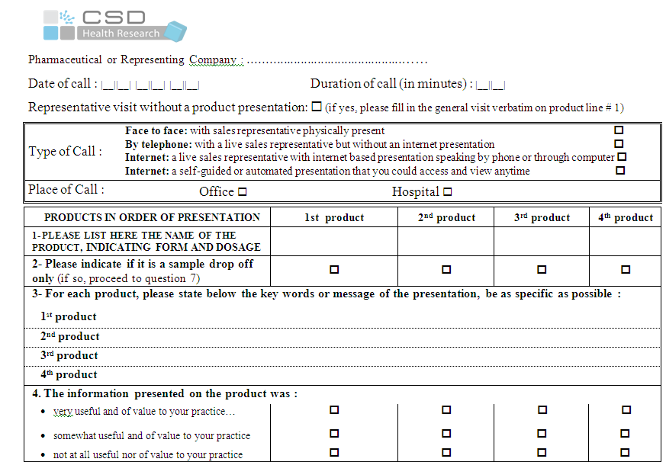
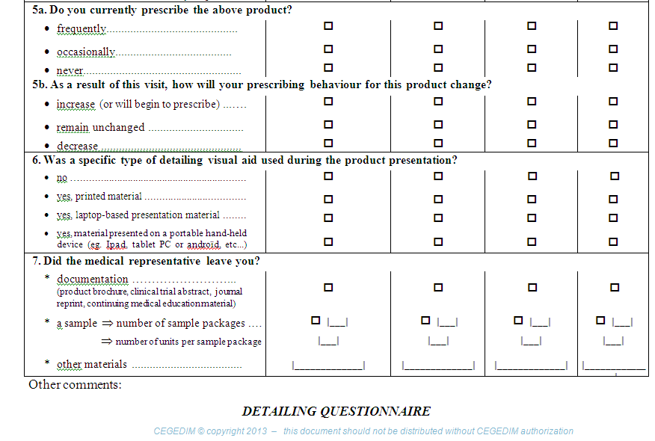

Type of visit

Position of products

Indication
Sample drop off

Verbatim

Information usefulness

Rx habit
Prescription intention

Visual Aid used during the Rep visit

Elements left

detailing metrics

Back to the INDEX |  |  |  |  |  | Go to VALUE DEFINITION

Back to DETAILING QUESTIONNAIRE

DETAILING METRICS

VARIABLES | DESCRIPTION | LOCAL DATABASE (MONTHLY) | GLOBAL DATABASE (QUARTERLY) | VALUE TO USE AT PRODUCT LEVEL | NEW VARIABLE CREATION | NOTES / AVAILABILITY
#PRD Present | Nb of product presented during the visit | x | x | Product Details
Contact Type | Face to Face: with sales representative physically present By telephone: with a live sales representative but without an internet presentation Internet: a live sales representative with internet based presentation speaking by phone or through computer Internet: a self-guided or automated presentation that you could access and view anytime | x | x | Product Details | January 2010: Internet | Split on "Internet" will be available in January 2013
Element Left | Brochure/ Samples or other type of element left | x | #N/A | Product Details
Generic/Branded Product | Generic/Branded Generic product Yes / No ? | x | x | Product Details | January 2010 | Renamed variable available from September 2012
Herbal medicine Product | Herbal medicine product Yes / No ? | x | x | Product Details | January 2010
Homeopathy Product | Homeopathy product Yes / No ? | x | x | Product Details | January 2010
Info Brought | Neither / New Elements / Reminder ? | x | #N/A | Product Details |  | Stopped in January 2011
Interest of the call | Not at all useful nor of value / Somewhat useful and of value / Very useful and of value to your practice | x | #N/A | Product Details |  | Renamed variable available from January 2011
Local Brand | What is the product presented? | x | x | Product Details
OTC Product | OTC product Yes / No ? | x | x | Product Details | January 2010
PRD Position | In what position the product was presented (1, 2, 3 …..) ? | x | x | Product Details
Prescription - Current | What is the current prescription of the product presented (Frequently / Never / Occasionnally)? | x | #N/A | Product Details
Prescription - Future | How do you plan the future prescription of the product presented (Decrease / Increase / Remain unchanged) ? | x | #N/A | Product Details
Principal Product | What is the main product of the visit? | x | #N/A | Product Details |  | Stopped in January 2011
Priv./Hosp. | Was it a private practice or hospital visit? | x | #N/A | Product Details
Product Category | None medical products or services / None products / Pharmaceutical products with Ephmra and molecule / Pharmaceutical products without Ephmra and molecule ? | x | x | Product Details | January 2010
Product Sub-Category | What is the sub-category of the product presented? | x | x | Product Details | January 2010
Repr. Company | What was the Representing company who visit the physician? | x | x | Product Details |  | if you select a company, please use weighted calls
Sample Drop | Visit sample drop Yes / No ? | x | #N/A | Product Details
Sample Type | Direct Shipping / Face-to-Face Reps ? | x | x | Product Details | January 2011
Specialty | List of the specialties participating to the promo studies | x | x | Product Details |  | if you select a company, use weighted calls or non weighted calls
Visit Category | For Pharmacist : was it an informative or commercial visit? | x | #N/A | Product Details | January 2010
Visit Duration | How long was the visit reps (-5mn to +15mn) ? | x | #N/A | Product Details
Visit Duration (minutes) | How long was the visit reps? | x | #N/A | Product Details | January 2010
Visit Frequency | How often the physicians are visited (Within the week / 2 or 3 weeks ago / Around a month ago or +) ? | x | #N/A | Product Details |  | Stopped in January 2008
Visit Function | Was it an institutional visit, a sample drop visit or a visit with presentation of product? | x | #N/A | Product Details | January 2010
Visit Type | Was it an internal or an external visit? | x | #N/A | Product Details
Visual Aid Type | Was a specific type of detailing visual aid used during the product presentation : laptop-based material, material presented on a portable hand-held device (PDA, Tablet PC or Android), printed material? | x | #N/A | Product Details | May 2012 | Optional data. For more information, please contact your local CSD interlocutor

values definition
Back to the INDEX | Go to CO-PROMOTION / CO-MARKETING

Back to DETAILING METRICS

DETAILING VALUES & DEFINITION

DETAILING VALUES | DEFINITION
Interest | This value must be calculated to be used. Interest / Mentions = Average Level of Interest
Mentions (Can be used with product/brand) In most case, Product Details is sufficient | Number of the different forms of the products mentioned during the same Rep visit. If the product Aprovel 75 MG and Aprovel 300 MG have been presented during the same visit, we will count for Aprovel, 2 mentions.
Product Details (To use for product/brand level analysis) | Each product (whatever its form or dosage) mentioned during a visit receives 1 product detail. Based on the example of Aprovel 75 MG and Aprovel 300 MG presented within one call, Aprovel will get 1 product detail.
Example | 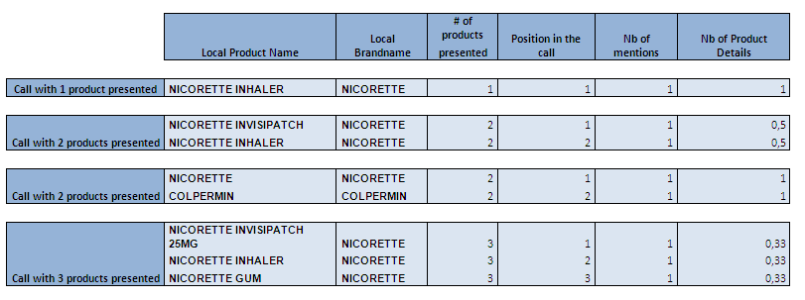 Legend of the table: - If Nicorette Inhaler is presented alone during the call, the product details will be equal to 1 - If 2 forms of Nicorette are presented during the call, each form of Nicorette will get an half of the product details (= 0.5) - If 2 different products are presented during the call, the product details will be equal to 1 for each product - If 3 forms of Nicorette are presented during the call, each form will get the third part of the product details (= 0.33)
Non-Weighted Calls (To use at company level) | Number of calls in which one of the products (at least one) of a manufacturing company has been presented, regardless of the representing company.
Weighted calls (To use at company level) | 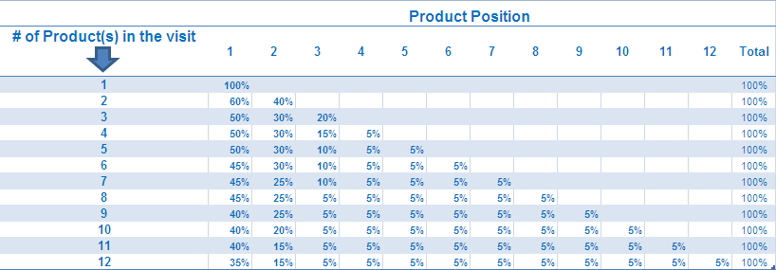 To calculate the number of weighted calls attributed to a company, we give a weight to each citation (mention) of a product corresponding to the part of the visit devoted to the product. For example : 1. When a product has been presented with 3 others products from the same or another manufacturing company, it is weighted 0.5 (1st prod) – 0.3 (2nd prod) – 0.15 (3rd prod) – 0.05 (4th prod) calls. 2. When a product has been presented with 2 others, it receives 0.5 (1st prod) - 0.3 (2nd prod) - 0.2 (3rd prod) calls. 3. When a product has been presented alone, it receives 1 call. 4. By adding these “partial” calls, we obtain a number of weighted calls for the manufacturing company.
 | Projected spend of sales for Detailing only. An average cost per call is applied (updated each year)

copromocomarketing
Back to the INDEX |  |  | Go to VERBATIM

Back to VALUE DEFINITION

LOCAL BRAND NAMES & INTERNATIONAL BRAND NAMES
with CO-PROMOTIONS & CO-MARKETING


“Why when selecting JANUVIA as the International brand name do I obtain (in the same country) higher spending than when the same product is selected as local brand name ?”


Because in this country, the international brand name JANUVIA includes the two local brands
JANUVIA and XELEVIA, which is a co-marketed brand with JANUVIA

 | This question gives us the opportunity to remind you of some key points about the use of LOCAL
 | BRAND NAMES and INTERNATIONAL BRAND NAMES in the CSD promotion database, especially in the case of
 | co-promotion and co-marketing operations.

LOCAL BRAND NAME and INTERNATIONAL BRAND NAME

In all the Reportive datasets the products promotion can be analyzed at 2 levels

LOCAL BRANDNAME

INTERNATIONAL BRANDNAME

This is the most commonly used Brand name within the countries where a molecule is promoted. It regroups the various local brand names found for the same product in these countries under one denomination only, allowing global or muti-local analyses.
This is the trademark under which a molecule is promoted inside a country. It regroups the different forms/dosages of the product, and generally there is one local brand name for every molecule/ATC/company combination in the country:
SORTIS, TORVAST, TAHOR, LIPITOR, ZARATOR, are the most common local brand names for Atorvastatin/Pfizer (C10A), in the different countries where this product is promoted.

 | Every local BRAND NAME has a corresponding international BRAND NAME, which is assigned for every new product inside a country according to some basic rules, together with a deep analysis of the product situation within the different countries (co-promotions, co-marketing, licenses, etc.).

 | As a consequence, there can be one or several LOCAL BRAND NAMES regrouped under the same INTERNATIONAL BRAND NAME inside the same country.

EXAMPLE

In the USA, the international BRAND NAME CYMBALTA (Lilly) includes one local BRAND NAME (CYMBALTA) as this is the only trade mark for “duloxetine” inside the USA. In France, the international BRAND NAME LIPITOR (Pfizer), includes one local BRAND NAME (TAHOR) and this is the only trade mark for “atorvastatin” inside this country

CO-PROMOTION
 |  | In the case of CO-PROMOTION
 |  | In a CO-PROMOTION, the same molecule is promoted by two or more different companies under the same brand.
 |  | The consequences for local and international BRAND NAMES are:

LOCAL BRAND NAME
INTERNATIONAL BRAND NAME

One local brand name only
GENERAL RULE
One international brand name only


Co-Promotion
explanation

In Germany, the international brand name EZETROL (ezetimibe) includes one local brand name only (EZETROL) which is co-promoted by both Merck & Co & Schering-Plough
In Germany, EZETROL (ezetimibe) is a Merck & Co/Schering-Plough co-promotion
EXAMPLE

In Italy (and some other countries), Sanofi-Aventis and BMS co-promote the same molecule but under 2 different local brand names (APROVEL and KARVEA)
In Italy, the international brand name AVAPRO includes the 2 local brand names KARVEA and APROVEL both promoted by the joint venture SANOFI-AVENTIS/BMS
In Greece (also in Italy & Spain), the international brand name CYMBALTA is a Lilly/Boehringer-Ingelheim co-promotion and includes the 2 local brand names CYMBALTA and XERISTAR

EXCEPTIONS

 |  | In the case of CO-MARKETING
 |  | Co-marketing involves two (or more) separate companies agreeing to market and sell the same product under different brand names. The consequences for local and international BRAND NAMEs are:

CO-MARKETING
LOCAL BRAND NAME
INTERNATIONAL BRAND NAME

TWO LOCAL BRAND NAMES (or more), i.e. one local brand name per company promoting the product inside the country
several international brand names
for several local brand names
GENERAL RULE
Here is the
Co-Marketing explanation ?


In Italy, “valsartan” is co-marketed by 3 companies under 3 different local brand names: TAREG (Novartis), VALPRESSION (Menarini), RIXIL (Bracco)
In Germany, “sitagliptin” is co-marketed by 2 companies under 2 different local brand names: JANUVIA (MSD) and XELEVIA (Berlin Chemie)
In Spain, there are two different international brand names for “telmisartan” (MICARDIS and PRITOR), corresponding to two different local brand names : MICARDIS promoted by Boehringer-Ingelheim, and PRITOR promoted by Bayer
In Italy, there are three different international brand names for “valsartan” (DIOVAN, VALPRESSION and RIXIL), corresponding to three different local brand names : DIOVAN promoted by Novartis, VALPRESSION promoted by Menarini and RIXIL promoted by Bracco

EXAMPLE

In France, Germany & Spain, the international brand name JANUVIA regroups:
- In France : JANUVIA (Merck & Co) and XELEVIA (Pierre Fabre)
- In Germany : JANUVIA (Merck & Co) and XELEVIA (Berlin-Chemie)
- In Spain : JANUVIA (Merck & Co), XELEVIA (Ferrer) and TESAVEL (Almirall)

EXCEPTIONS

Global or multi-local product analyses use INTERNATIONAL BRANDNAME
One country product analyses and local purposes prefer the LOCAL BRANDNAME
List of LOCAL BRAND NAMES included in a specific INTERNATIONAL BRAND NAME use the CAMINDEX file, updated quarterly
List of major CO-PROMOTIONS and CO-MARKETING in all the countries, updated quarterly (available soon)



CONCLUSION

verbatim
Back to the INDEX | Go back to SALES FORCE AUDIT

Back to CO-PROMOTION / CO-MARKETING

VERBATIM MESSAGES

Using the DETAILING QUESTIONNAIRE, panellists record the key words or the messages they recall for the products on which they have received a "detail" or sales presentation.
Identified as "VERBATIMS", these messages - especially when linked with other detailing metrics reveal the true impact and ROI of the rep call.

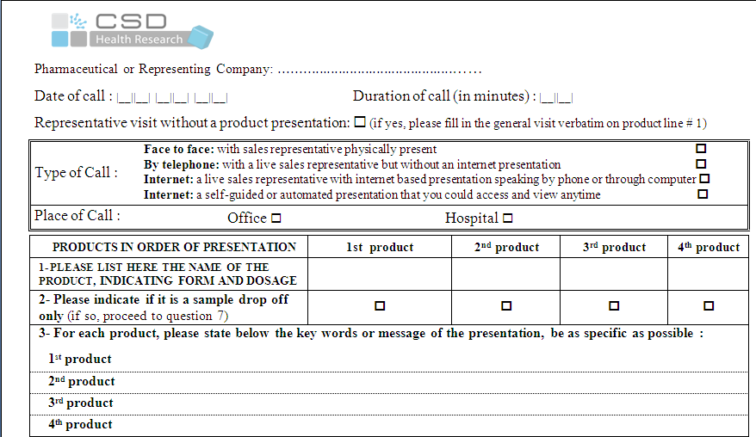

PROMO
DETAILING
QUESTIONNAIRE

Verbatim

1st Option
VERBATIMS may be listed as they appear in the DETAILING QUESTIONNAIRE
Raw Verbatims
2nd Option
VERBATIMS may be recoded in different categories
Coded Verbatim



Each message is checked for spelling
EFFICACY
 |  | EFFICACY
 |  |  | EFFICACY
DOSAGE/ ADMINISTRATION

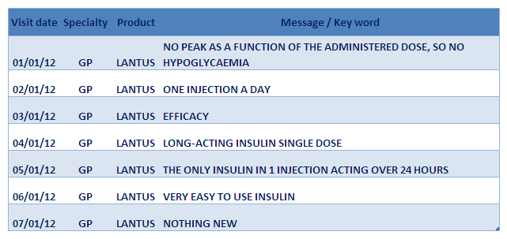
SAFETY / TOLERABILITY

Each message is coded according to main theme
INDICATION / PATIENT PROFILE

MOLECULE /
MODE OF ACTION

COSTS

OTHERS

ComplementaryStudies
Back to the INDEX |  | Go to COVERAGE & FREQUENCY

COMPLEMENTARY STUDIES

 | CSD Promotion audits are unique in that the same diary questionnaire is common to over 30 countries. This standard approach facilitates the maintenance of a “Global Promotion Database” that is used to query a multi-country database using identical metrics and assuring comparable analysis.

 | In addition to the standard syndicated Promotion databases, CSD has developed other databases and types of analysis that necessitate additional data processing or non-standard diary questionnaires. Some of the most common and readily available of these are highlighted in this section.

Cov&Freq
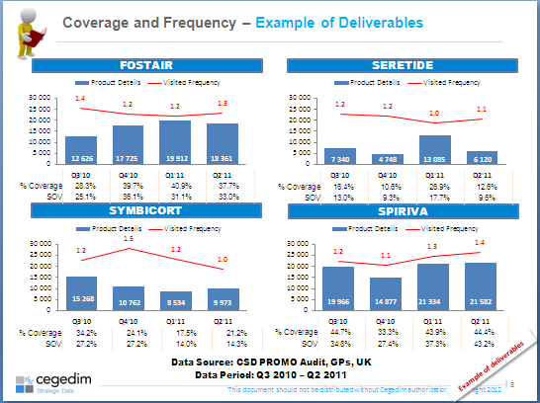
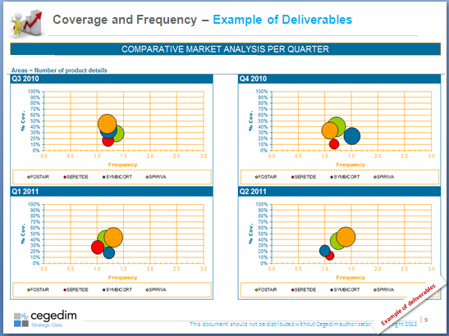
Back to the INDEX | Go to MARKETING PERFORMANCE INDICATORS (M.P.I.)

Back to COMPLEMENTARY STUDIES

COVERAGE & FREQUENCY

The aim of this analysis is to monitor Sales Force Effectiveness in terms of targeting coverage and visit frequency and then adjust the sales force strategy of the clients product versus its competitors.
To strenghen these results, it is recommended to combine this analysis with other key metrics SOV, evolution of the prescription, information usefulness

ANALYSIS

1
Coverage & Frequency objectives
2
Coverage & Frequency analysis

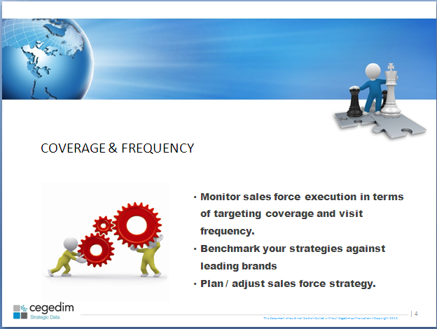
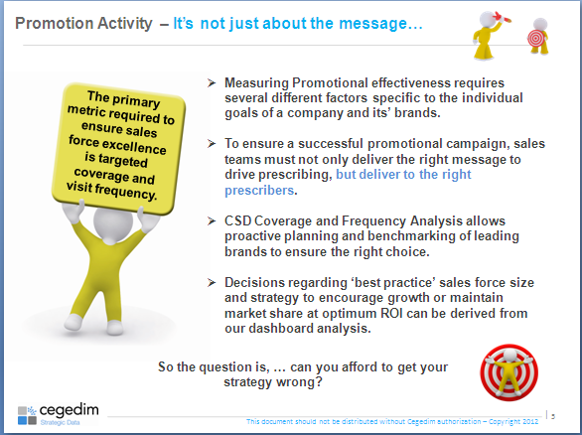

3
Positive impact on Px
4
Methodology

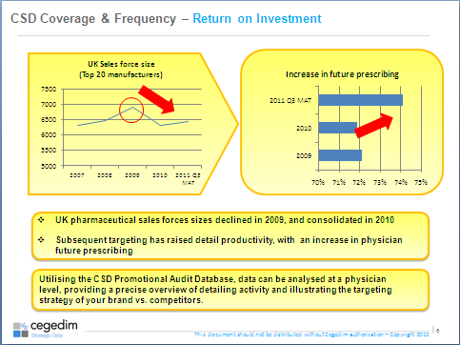
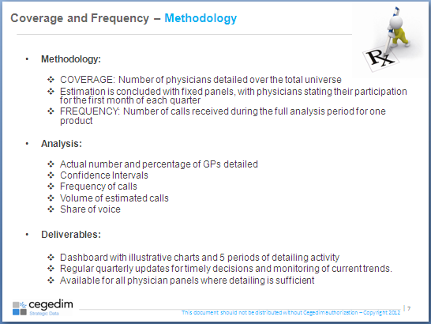

5
Product details / Visited Frequency
6
Product details / Visited Frequency

MPI
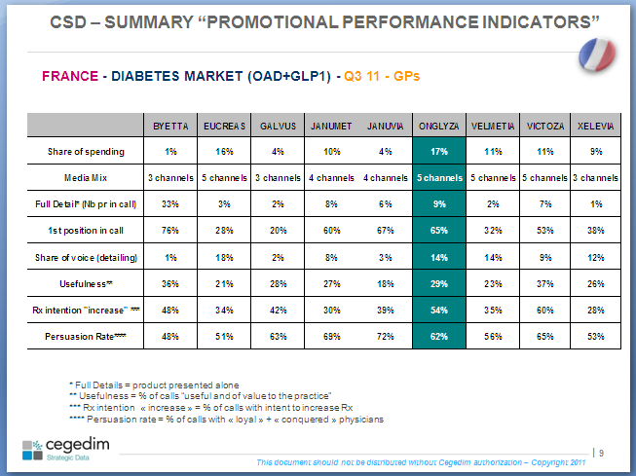
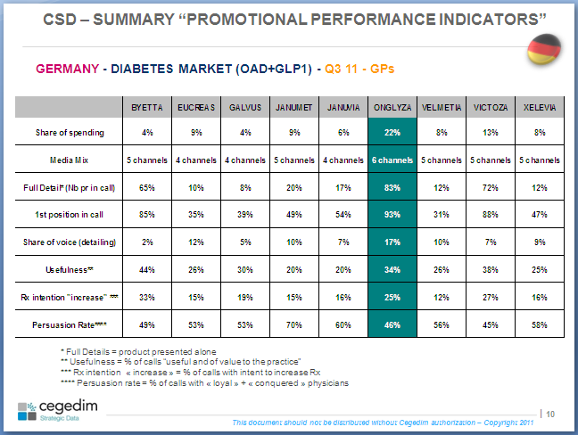
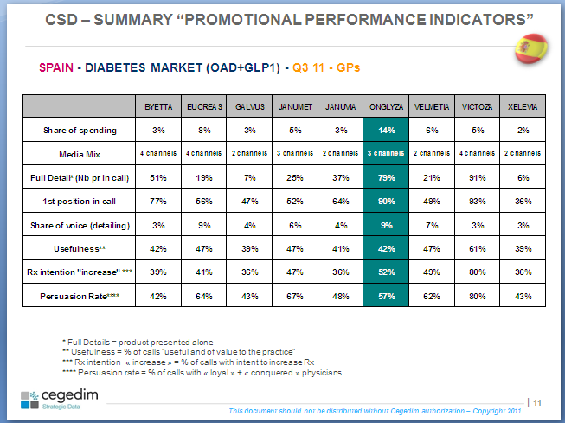
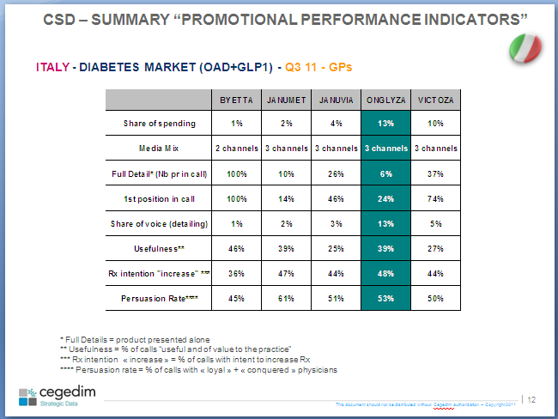
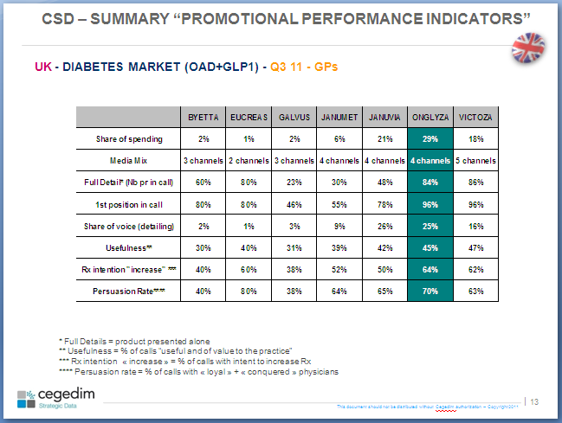
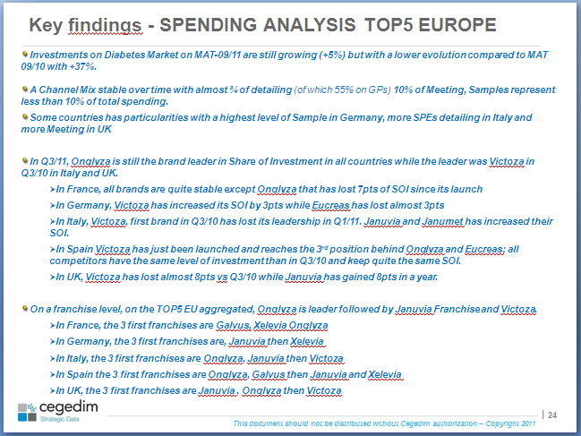
Back to the INDEX | Go to SALES FORCE ANALYSIS

Back to COVERAGE & FREQUENCY

MARKETING PERFORMANCE INDICATORS

The aim of the Market Performance Indicators dashboard analysis (M.P.I.) is to :
1. Consolidate the CSD promotion audit metrics in one dashboard on the most recent quarter, for easy analysis of overall promotional performance.
2. Identify "best in class" and "challenger" status for promotional performance by ranking leading product (1st) and its challenger (2nd) for each indicator.
3. Identify areas of strengh and weakness in promotional performance

MPI ANALYSIS

Promotional Performance Indicators (P.P.I.)
Analysis on the TOP 5 Europe

SFA
Back to the INDEX | Go to ONCOLOGY

Back to MARKETING PERFORMANCE INDICATORS (MPI)

SALES FORCE ANALYSIS (SFA)

Sales Force Analysis is a study dedicated to identify the different sales forces of the pharmaceuticals companies and external companies.
These different teams (or sales forces) have to present to the physicians specific products on a defined period, in a specific position and with an appropriated communication.

ANALYSIS

1
INTERNAL / EXTERNAL SALES FORCE LIKE SEEN AND PRESENTED BY THE PHYSICIANS
2
SALES FORCE ANALYSIS INDICATORS

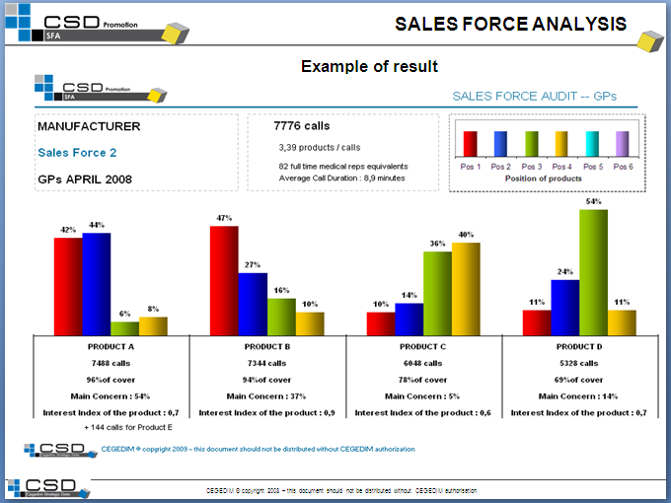
1. Number of calls made by the sales forces : this is the projected number of calls for the reported period.
2. Average number of products presented as reported by the CSD panelists.
3. Number of full time medical Rep equivalents: This is the ratio of the number of calls made by the sales force and the average daily call capacity of a Rep (i.e. average number of calls made per day) and we divide this ratio by the number of working days in the month. We finally add 10% to this amount to take into account the administrative time, training days, leave, etc..
4. Average call duration for each team.
5. Number of product details, which is the number of occurrences of a particular product in the questionnaires attributed to a sales force. .
6. Coverage rate which is the ratio between the number of product details and the number of total calls made by the sales force.
7. Main Concern of the call : This is the % of calls where the product has been put forward by the Rep.
8. Interest Index of a call: - Interesting (5) / - Of medium Interest (0) / - Without interest (-5)
The interest index of a product must be compared with the index interest of his therapeutic class.
The interest index is significant if the visit pressure is high. The interest index is significantly different if there is at least 1 point between 2 products or 2 periods.

1.

2.

3.
4.

5.

6.
7.

8.

CLIENT SALES FORCE PERFORMANCE
Follow and control my product presentation
Is my product mainly presented in the 1st position on my external sales force?
Evaluate the physicians feelings
Is my product the main subject of the call ?
Validate the right marketing decisions
Is my new product presented on my sales force?

COMPETITORS SALES FORCE PROMOTION CAMPAIGNS
Benchmark my products and its competitors
Identification of the sales force number and its types...
Schedule the promotion campaign of my NEW product
What is the sales force and the Reps number to plan ... ?

Onco
Back to the INDEX | Go to SOCIAL MEDIA

Back to SALES FORCES ANALYSIS (SFA)

ONCOLOGY PROMOTION AUDIT

The Oncology promotion audit is based on a diary questionnaire with specific questions oriented to Oncology (for Detailing, Meeting, Mailing and Clinical trials).

ONCOLOGY DETAILING QUESTIONNAIRE

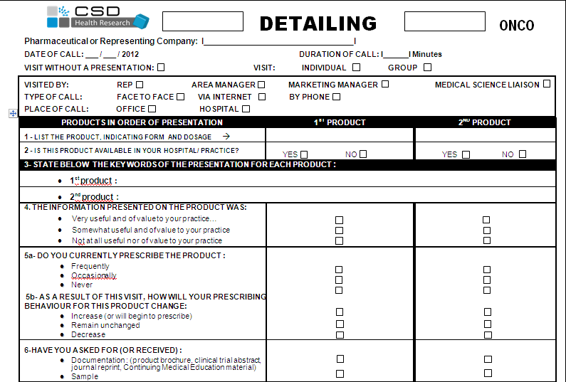

Type of visit

Position of products

Verbatim

Information usefulness

Rx habit
Prescription intention

Elements left

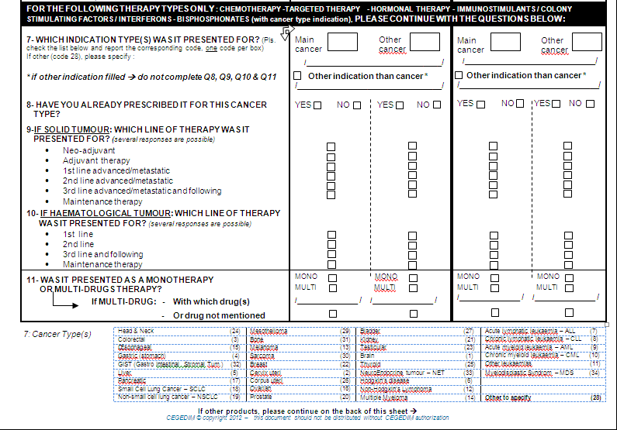

Cancer type indication

Cancer Type Prescription

Solid cancer
Therapy line

Haemato cancer
Therapy line

Mono / Multi therapy

ONCOLOGY MEETING QUESTIONNAIRE

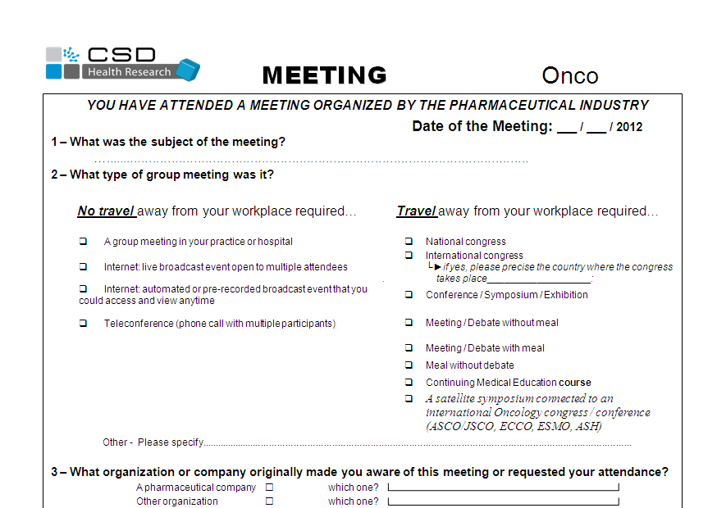
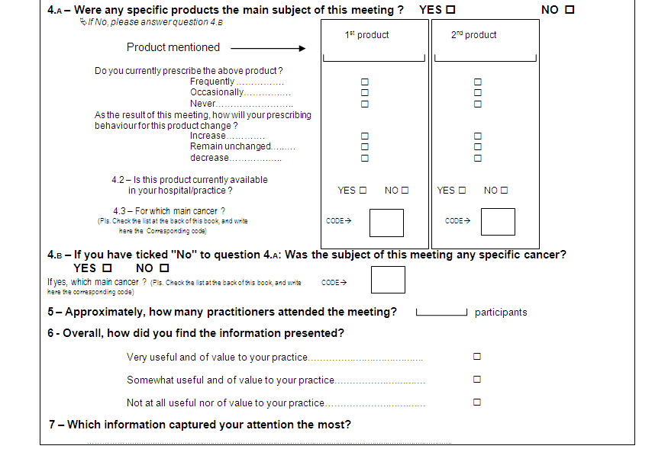

Subject of the meeting

Type of the meeting

Organizer of the meeting

Main product of the meeting

Meeting impact :
Rx habit and prescription intention

Availability of the product in Hospital/Private and for which cancer type

Meeting subject : which cancer type

# of participants

Information usefulness

Verbatim

ONCOLOGY CALENDAR QUESTIONNAIRE

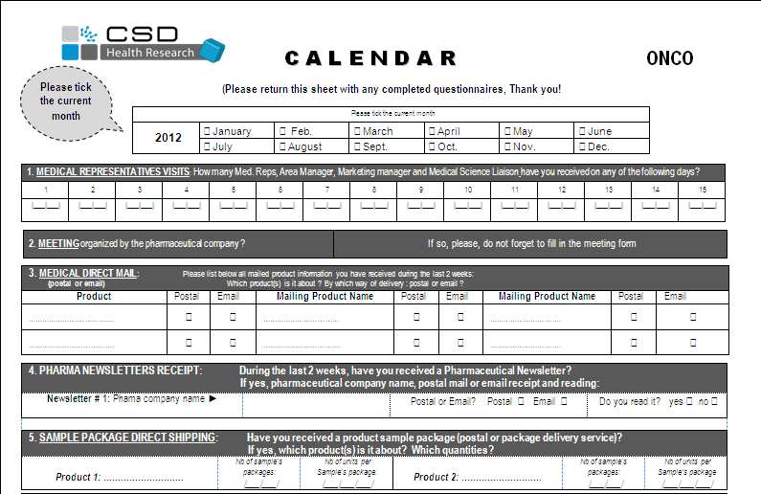

Mailing type

Sample left

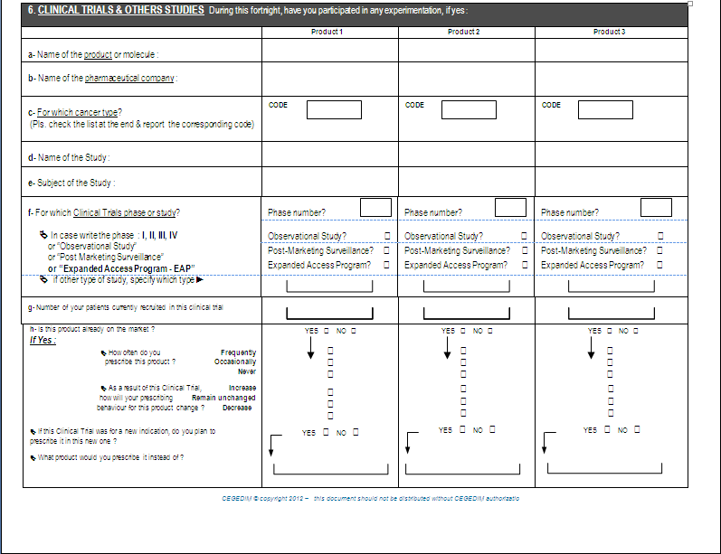

Clinical Trial in which Cancer type

Topic of the clinical study

Experimentation phases

# of patients

Clinical study impact :
Rx habit and prescription intention

Social Media
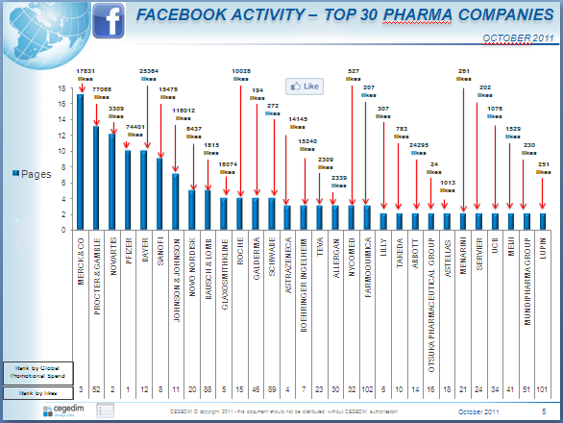
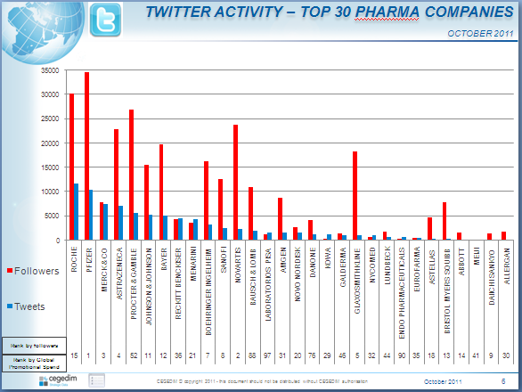
Back to the INDEX |  | Go to PHARMA STUDIES

Back to ONCOLOGY

SOCIAL MEDIA : INTRODUCTION

 | Why is Social Media important?

 | Background:

 | In just the past few years social media platforms have begun to surpass traditional channels of communication and promotion. The speed with which a “social” message can circulate is arguably second to none.

 | Therefore, the exposure social media provide is potentially priceless - especially when compared to other promotional channels. To stay up-to-date, companies are adapting their communication strategies and embracing these changes. The risk is being left behind!

 | For Pharmaceutical companies social media offers opportunities to communicate with patients, carers, prescribers and even stakeholders. This could prove invaluable considering the current focus on ‘patient choice’. The ability to inform decisions and remain at the forefront of people’s mind, could make the difference between you and your competitor.

 | Objective:

 | With this in mind, CSD has set up a desk survey/research initiative to quantify the presence of major pharmaceutical companies on social networks such as Facebook or Twitter.

 | Linked with CSD’s Global Promotion Audit, this research will provide valuable benchmarking metrics to monitor this new channel of communication.

METHODOLOGY

 | Base for analysis:

 | Using the CSD Global Promotion Audit data we identified the top 100 pharmaceutical companies based on their Global Promotional Spend.

 | Using desk research we tabulated how these companies rank in terms of their Social media exposure (likes, post, tweets, followers) on two of the most important social network websites: Facebook and Twitter.

 | Analysis:

 | From among the leading 100 companies based on traditional promotional spending, we trawled Facebook to identify the Top 30 pharmaceutical companies based on the number of Facebook pages they currently have, along with the number of “likes”.

 | Similarly, from among the leading 100 companies based on traditional promotional spending we identified the Top 30 pharmaceutical companies ranked on the number of tweets and followers they have on Twitter.

 | This is a WW analysis. All countries and languages were taken into account.

 | All healthcare focused activity was included. Explicitly non healthcare activity was excluded.

 | Output:

 | Monthly or quarterly updates for timely monitoring of current trends.

ANALYSIS

Pharma studies
Back to the INDEX | Go back to COMPLEMENTARY STUDIES

Back to SOCIAL MEDIA

PHARMACY PROMOTION AUDIT

The Pharmacy promotion audit is based on a diary with specific questions oriented to Pharmacists .

PHARMACIST QUESTIONNAIRES

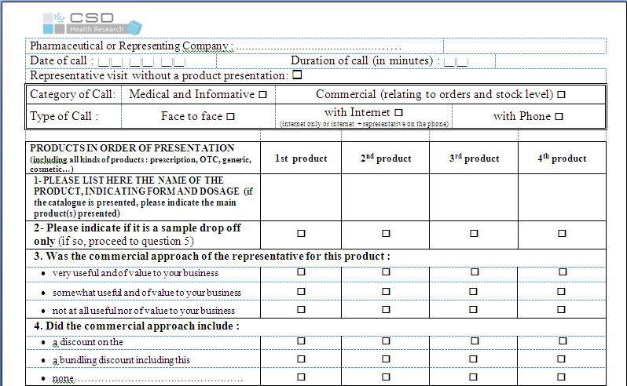

Visit category
Informative / Commercial

Commercial approach

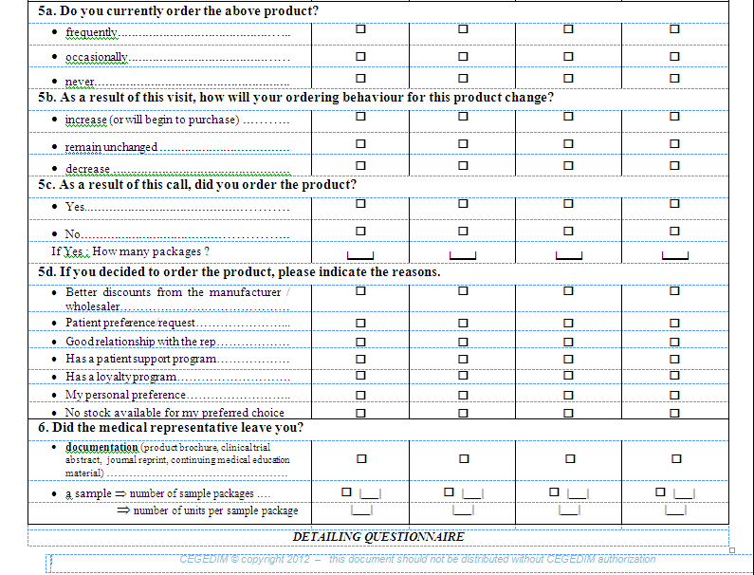

Visit impact
on product order

MEETING QUESTIONNAIRE (PHARMA)

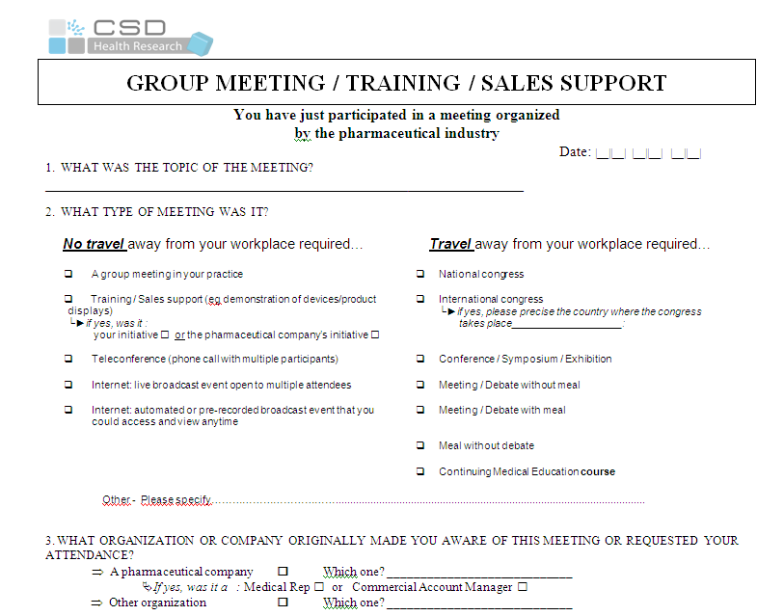
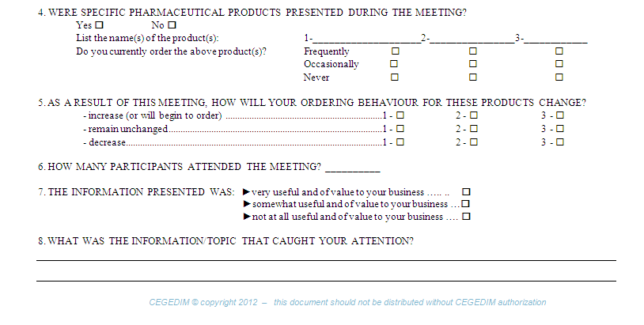

CALENDAR QUESTIONNAIRE (PHARMA)

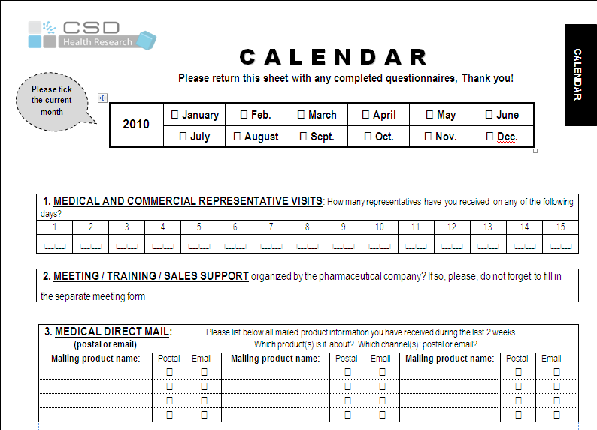

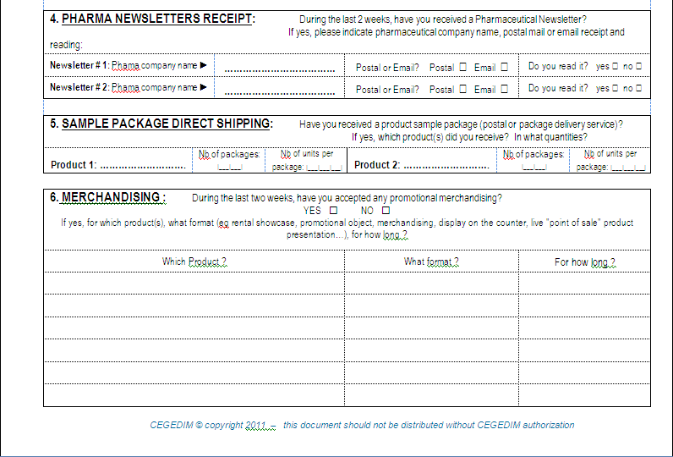

Promotional merchandising

Reportive
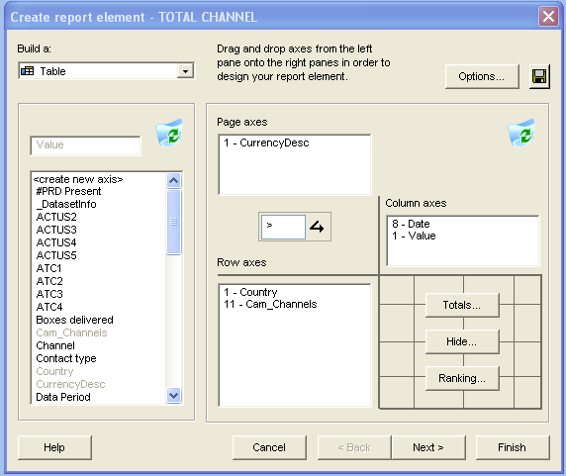

Back to the INDEX |  | Go to REPORTIVE GLOSSARY

REPORTIVE

 | Reportive Studio software is dedicated to access to Promo, Onco, SFR or Advertising data via a local or a Citrix installation

 | Monthly and quarterly data are updated automatically on Citrix by CSD production team

 | Reportive interface allows users to execute regularly queries or CSD standard packaged reports using the variables and values available in axes (column and line)

 | Queries are automatically saved

reportive glossary
Back to the INDEX |  | Go back to REPORTIVE INTRODUCTION

Back to REPORTIVE

REPORTIVE GLOSSARY

AXIS | DESCRIPTION | AVAILIBILITY IN THE DATABASE
<create new axis> : | Do not use | Global / Local
#PRD PRESENT : | Number of products presented within the call | Global / Local
ATCUS 2/3/4/5 : | Only for the US market | Local
ATC 1, ATC 2, ATC 3 | Ephmra Class, level 1, 2, et 3 for all ATCs. | Global / Local
ATC 4 : | Level 4 for some ATCs. | Global / Local
CAM_CHANNELS : | Regrouped channels (see below) | Global / Local
CHANNEL : | Detail of all channels available in PROMO DATA | Global / Local
CONTACT TYPE : | Face to face / Via telephone / via internet (Spending & Detailing data) E-Mailing / Postal (Mailing type / Spending data) | Global / Local
COUNTRY : | Due to your subscription. | Global / Local
CURRENCY DESC : | Name of the currency (€, USD, local currency) | Global / Local
DATA PERIOD : | Last period available | Global / Local
DATE : | Period available | Global / Local
DATE_FORMAT : | Period format (MAT, Quarter,...) | Global / Local
DEPARTMENT : | Do not use | Local
ELEMENT LEFT : | Did the rep leave any brochure, sample or no element (available since january 2004). | Local
GENERIC PRODUCT : | Generic (Yes) or Brand name (no) | Global / Local
HERBAL MEDICINE PRODUCT : | Phyto/herbal therapy (Yes) or no | Global / Local
HOMEOPATHY PRODUCT : | Homeopathy product (Yes) or no | Global / Local
INT CORP : | International Corporation | Global / Local
INTBRANDNAME : | International Brandname Most commonly used Brandname / Trade name according to the countries being audited. | Global / Local
INTEREST OF THE CALL : | Asks if he found the presentation Very useful/Somewhat useful /Not at all useful nor of value to your practice | Local
LOCAL BRAND : | Local brandname of the products used in the country | Global / Local
MAILING TYPE | Institutional, Pharma newsletter, Product information | Global / Local
MANUFACTURER : | Name of the pharmaceutical company which owns the AMM. | Global / Local
MEETING TYPE : | Conference, debat, symposium, .. (only spending data) | Global / Local
MOLECULE : | Molecule name of the products | Global / Local
OTC PRODUCT : | OTC (Yes) or "prescription only" (no) | Global / Local
PERIOD TYPE : | Period type (MAT, quarter,...) | Global / Local
PRD POSITION : | The position in which a product is being detailed during a Rep CALL | Global / Local
PRESCRIPTION CURRENT: | Does the physician prescribe the product frequently, occasionally or never. | Local
PRESCRIPTION FUTURE : | Starting January 2004, prescription after the rep visit (without change, increasing, decreasing) | Local
PRINCIPAL PRD : | Possibility to ask if the physician perception of the product presentation was as the main product or not. | Local
PRIV / HOSP : | Place for the call (office based/hospital based) | Local
PRODUCT CATEGORY : | Do not use | Global / Local
PRODUCT SUB CATEGORY : | Do not use | Global / Local
REPR.COMPAGNY : | Company name making a Call to a Doctor (as recalled by the physician) | Global / Local
SAMPLE DROP : | Call with only sample drop | Global / Local
SAMPLE TYPE : | Direct shipping, Face to face Rep | Global / Local
SPECIALTY : | Various physician specialties covered by country | Global / Local
VISIT CATEGORY : | for Pharmacists : informative and/or commercial | Global / Local
VISIT DURATION : | Duration of the call ( less than 5 minutes to more than 15 minutes) | Local
VISIT DURATION (minutes) : | Duration of the call in minutes | Local
VISIT FREQUENCY : | Do not use | Local
VISIT FUNCTION : | Institutional (social) visit (No product) / Sample drop without presentation / With products presentation | local
VISIT TYPE : | The call can be made by an internal rep or an external one (co-promotion or rental company for example) | Local

VALUE | DESCRIPTION | AVAILIBILITY IN THE DATABASE
SPENDING TOTAL: | Promotional Spending : Cost for all channels (an average cost is applied by channel by country). | Global / Local
SPENDING DETAILING : | Promotional spending into detailing : to get directly spending in to detailing . | Global / Local
MENTIONS : | Number of times that a product is mentioned during a Rep visit. If Cozaar 50MG et 100MG are presented in a single call, Cozaar will get 2 mentions. | Global / Local
PRODUCT DETAILS : | Each product brand that is mentioned during a Rep CALL receives 1 product detail. (no matter if different forms/dosage are presented) In the exemple of Cozaar 50MG and 100MG presented within one call, Cozaar will get 1 product detail. | Global / Local
Weighted Calls / Non-weighted Calls | Weighted and non-weighted Calls to use only with « Manufacturer » or « INT CRP » | Global / Local | Weighted factor
Weighted Calls : | To calculate the number of weighted calls attributed to a company, we weight each citation of a product corresponding to the part of the visit devoted to the product. For example : 1. When a product has been presented with 3 others products from the same or another manufacturing company, it is weighted 0.5 (1st prod) – 0.3 (2nd prod) – 0.15 (3rd prod) – 0.05 (4th prod) calls. 2. When a product has been presented with 2 others, it receives 0.5 (1st prod) - 0.3 (2nd prod) - 0.2 (3rd prod) calls. By adding these “partial” calls, we obtain a number of weighted calls for the manufacturing company. | Global / Local
Non-weighted Calls : | Number of calls in which one of the products (at least one) of a manufacturing company has been presented, regardless of the representing company. | Global / Local

CAM-CHANNELS | # TYPES | DEFINITION & NOTES
CLINICAL TRIALS | PHASES 1 & 2 | Costs to zero as phase I, II trials should not strictly be considered “promotion” or “marketing” (even if such expenses can ultimately lead to a marketed product), and therefore should not be included among the “promotional channels” in the CSD Promotion Audit Database
 | PHASE 3 | Values based on a 2 week-participation trial with 5 patients in average. Phase III trials are typically conducted once the efficacy of a medicine has been demonstrated and the optimal dose range determined. These are also conducted in patients for whom the medicine is intended and are designed to demonstrate safety and efficacy in larger patient populations. The Phase 3 study has objective to compare efficacy versus placebo or versus benchmark product on the market. Same cost to be applied as Phase 4
 | PHASE 4 | Values based on a 2 week-participation trial with 5 patients in average. A long term follow-up experimentation to check side effects when the product is already on market. The drug sponsor submits a new drug application to the relevant regulatory authority for approval to manufacture, distribute and market the drug. However, the clinical process does not end with the approval of a drug.
 | OBSERVATIONAL STUDY | Values based on a 2 week-participation trial with 5 patients in average. The Observational study has objective to confirm the safety in real use conditions. The different kinds are « Cross sectional study », « Cohort study », « Case-control study ». Same cost to be applied as Phase 4.
 | POST MARKETING SURVEILLANCE (P.M.S.) | Values based on a 2 week-participation trial with 5 patients in average. Pharma companies are required to undertake post-marketing surveillance to monitor a drug’s safety, a process that continues for the marketing life of the drug. The objective of such surveillance is to monitor for unexpected side effects. It's the practice of monitoring a pharmaceutical drug or device after it has been released on the market. It can further refine, or confirm or deny, the safety of a drug after it is used in the general population by large numbers of people who have a wide variety of medical conditions. same cost to be applied as Phase 4.
 | EXPANDED ACCESS PROGRAM (E.A.P) | Expanded access refers to the use of an investigational drug outside of a clinical trial by patients with serious or life-threatening conditions who do not meet the enrollment criteria for the clinical trial in progress. This type of access may be available, in accordance with United States Food and Drug Administration (FDA) regulations, when it is clear that patients may benefit from the treatment, the therapy can be given safely outside the clinical trial setting, no other alternative therapy is available, and the drug developer agrees to provide access to the drug. The FDA refers to such a program as an expanded access program (EAP).[1] EAPs can be leveraged in a wide range of therapeutic areas including HIV/AIDS and other infectious diseases, cancer, rare diseases, and cardiovascular diseases, to name a few.
DTC |  | DIRECT TO CONSUMER TV, Cinema, Radio, Billposting, General Advertising. Data purchased from TNS, Nielsen (Top 5 Europe, USA)
GP/FP DETAILING |  | DETAILING (Face/Face + via telephone + via internet) GPs & Family Practitioners
MAILING |  | Institutional, Pharma newsletter, Product information
MEETINGS | NO TRAVEL | 1. A group meeting in your practice or hospital
 |  | 2. Internet: live broadcast event open to multiple attendees
 |  | 3. Internet: automated or pre-recorded broadcast event that you could access and view anytime
 |  | 4. Teleconference (phone call with multiple participants) Teleconference mutli-participants with speaker for animation.
 | TRAVEL | 1. National congress Big event with many participants organized by professional institut and generally with pharma company sponsoring/participation, based on national territory
 |  | 2. International congress The same as national congress but based outside of the national territory
 |  | 3. Conference / Symposium / Exhibition Can be also lecture
 |  | 4. Meeting / Debate without meal Often with a speaker for animation, generally small local event
 |  | 5. Meeting / Debate with meal Often with a speaker for animation, generally small local event
 |  | 6. Meal without debate Generally small local event
 |  | 7. Continuing Medical Education course This includes the educational courses the physicians are required to take every year in order to maintain their medical knowledge and license as medical doctors.
MS DETAILING |  | in Japan, MS=Marketing Specialists employed by wholesales
NURSE DETAILING |  | Available in UK and US Germany : GPs Nurses panel is stopped at the end of December 2012
OTHERS |  | MERCHANDISING PHARMA
PHARMA DETAILING |  | DETAILING (Face/Face + via telephone + via internet) PHARMA & WHOLESALERS
PRINT ADVERTISING* |  | Advertising related to Pharma Industry for each Specialty audited by CSD - Rate card price according to size, position, colour of the advertisment. *corresponding SPE = GPs, Pharma & SPE
SAMPLES |  | Values based on average wholesale price of the smallest package size for Therapy Class.
SP DETAILING |  | DETAILING (Face/Face + via telephone + via internet) SPE
WEB ADVERTISING ** |  | Advertising screensaver & website ** corresponding SPE = All target

MktChannelAudit
Back to the INDEX |  | Go to METHODOLOGY

MARKETING CHANNEL AUDIT

 | Share of investment (% SOI), “marketing mix” channel analysis and competitive benchmarking analysis are easily obtained through access to the local or Global CSD Promotion databases.

 | CSD Marketing Channel Audits track the exposure of physicians and other HCPs to a variety of marketing channels including Meetings & Events, Clinical Trials, Samples and Mailing through self-completed, daily diaries. In addition, CSD audits absolute spending on medical journal advertising and includes audited direct to consumer advertising (DTC) in selected markets.

 | Collected results are processed and an average value is attributed to each channel. The data are projected to the audited universe to obtain total promotional spending by channel (For journal ads and DTC the “rate card” Value is assumed and the results are absolute rather than projected). Channels and values are explained in this section.

Methodology
Back to the INDEX | Go to QUESTIONNAIRES

Back to MARKETING CHANNEL AUDIT

METHODOLOGY

The process described below is standardized accross all countries and specialty panels covered
Based on physicians questionnaires collected + extrapolation data + media cost = Results on channels metrics
RECRUITMENT
DATA
COLLECTION
PROJECTION
FACTOR
COST
ATTRIBUTION
RESULTS

SPENDING

An average cost figure is applied to each promotional channel
Physicians and other HCPs are recruited by CSD to participate in our studies. They are representative of the local medical universe
Participants fill in questionnaires on health industry promotional activity after each call or any other promotion contact
The results are then projected to the target population
Results will provide competitive information on promotional investment and sales force detailing

Notes on currency

There are two currency types available: · "LC" currencies apply the exchange rate for the most recent data period as a constant exchange rate retrospectively to all data · "Normal" currencies apply a variable exchange rate reflecting the exchange rate at that time for all data periods

Questionnaires
Back to the INDEX | Go to CHANNEL METRICS

Back to METHODOLOGY

MEETING QUESTIONNAIRE

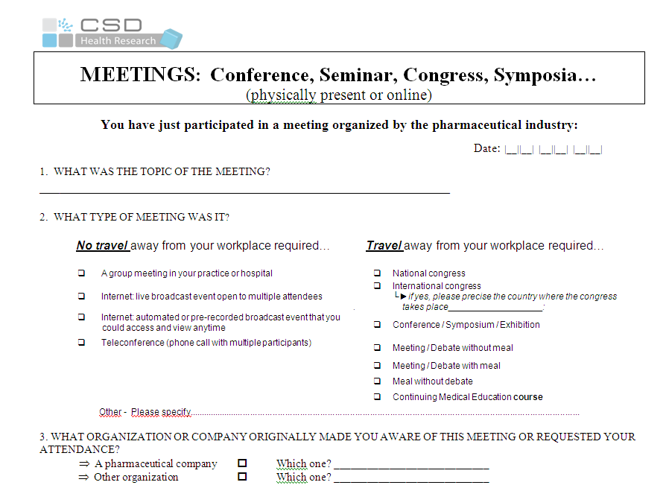
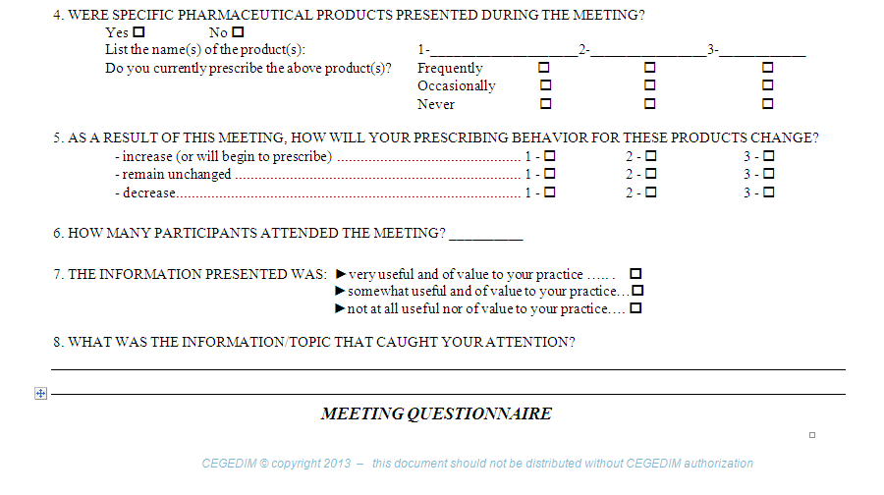
This questionnaire is a part of the promotion audit diary completed (online or paper) by the panelists following their participation in meeting organized by companies

Topic of the meeting

Type of meeting

Phone & e-meeting

Organizer of the meeting

Main product

Meeting impact :
Rx habit and prescription intention

# of participants

Information usefulness

Verbatim

CALENDAR QUESTIONNAIRE

This questionnaire is a part of the promotion audit diary completed (online or paper) by the panelists following the medical direct mailing (postal/email) they receive and read and their participation in Clinical trials studies
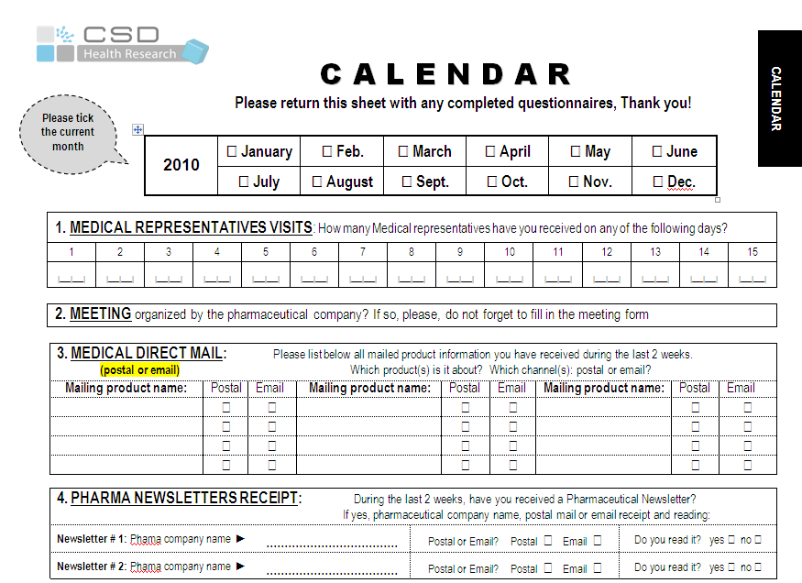
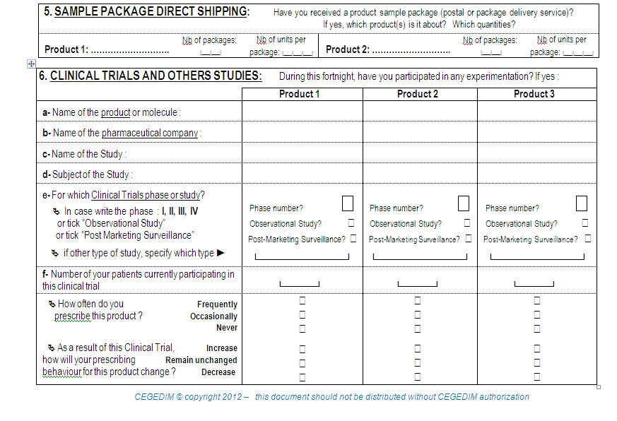

Mailing type

Sample left

Topic of the clinical study

Experimentation phases

# of participants

Clinical study impact :
Rx habit and prescription intention

channel metrics
Back to the INDEX |  |  | Go to CHANNEL VALUES & DEFINITION

Back to QUESTIONNAIRE

CHANNEL METRICS

Marketing channel Metrics | Information available | NEW CREATION / MODIFICATION | NOTES / AVAILABILITY

Detailing | • Spending
 | • Rep/Company Calls
 | • Product Details (Share of Voice)
 | • Products Presented in the Call
 | • Call Quality Metrics (Impact on Rx, Information useful for practice, etc.)
 | • Recalled Information
Meetings & Congresses | • Spending
 | • Number of physician contacts
 | • Number of products presented
 | • Meeting type, Meeting theme
 | • Number of attendees
 | • Rx intent
 | • Information recalled
 | • Level of interest
Clinical Trials | • Spending
 | • Number of physician contacts
 | • Type of study (III to IV, Obs Studies & PMS) | January 2011 : 2 new types of studies "Obs Studies" and "PMS" | 2011 : Phase I and II : costs to zero on all backdata from october 2008 and for all future data
 | • Number of patients | October 2008 : Type of study, nb of patients and theme have been added
 | • Rx intent
 | • Theme
Samples | • Spending
 | • Number of visits with samples
 | • Number of boxes
Print Advertising | • Spending
 | • Number of inserts
 | • Number of pages
Mailings | • Spending
 | • Number of physician contacts (postal mailing, emailing, newsletter) | Q1 2012 data delivery : New type of mailing is added in the datasets using the “contact type” axis with labels "Postal" or "E-Mailing". January 2011 : A new type of mailing "Newsletter"

E-Activities | Spending
 | • Meeting online on internet (with your active participation) | January 2012 : Meeting internet | Renamed variable available from November 2012 Internet: live broadcast event open to multiple attendees
 | • Meeting online on internet (without possibility of intervention) | January 2012 : Meeting internet | Renamed variable available from November 2012 Internet: automated or pre-recorded broadcast event that you could access and view anytime
 | E-Detailing

values def
Back to the Index | Go to COST METHODOLOGY

Back to CHANNEL METRICS

CHANNEL VALUES & DEFINITION

CHANNEL VALUES | DEFINITION
Spending Total | Promotional Spending : Projected spending for all channels. Spending can be split by channel. An average cost is applied by channel by country.
Spending Detailing | Projected spend of sales for Detailing only. An average cost per call is applied (updated each year)

Cost methodo
Back to the INDEX |  |  |  | Go to COST PER CHANNEL

Back to CHANNEL VALUE & DEFINITION

COST METHODOLOGY

DETAILING AUDIT
(Reps Visits)
Face to Face : With sales representative physically present
Cost for 1 rep visit (including salary, bonus, benefits, transportation, visual aid). => Divided by the number of products presented in the visit weighed by product’s position in the visit.
Phone Detaling : With a live sales representative but without an internet presentation
Cost is approximately 1/3 of the detailing face to face
E-detailing :
A live sales representative with internet based presentation speaking by phone or through computer
Cost is approximately 66% of the face-to-face visit
A self-guided or automated presentation that you could access and view anytime
Cost is approximately 33% of the face-to-face visit

SAMPLES
Values based on average wholesale price of the smallest package size for Therapy Class.

CLINICAL TRIALS
Values based on a 2 week-participation trial with 5 patients in average.
PHASE 3/4 : Long term follow-up experimentation to check side effects
OBSERVATIONAL STUDY: We estimate that observational study is same price as Phase IV. The pharmaco company is not paying the boxes for the treatment (classical prescription with Health system reimbursement)
POST MARKETING SURVEILLANCE (P.M.S.): We estimate that PMS is same price as Phase IV.
EXPANDED ACCESS PROGRAM (E.A.P.) for Oncology panel only: We estimate that EAP is same price as Phase IV.

E-PROMOTION
Web Activity.

MAILING
Direct Mail received as indicated on physician questionnaire (conception, printing, sending).
❑ postal mailing
❑ emailing
❑ newsletter

MEETINGS
(Congresses, Conferences, etc.)
Cost per Participant (including Meeting facility, Speakers, Catering, Transportation, Accommodations) according to the type of meeting:
No travel away from your workspace required
❑ A group meeting in your practice or hospital
❑ Internet: live broadcast event open to multiple attendees)
❑ Internet: automated or pre-recorded broadcast event that you could access and view anytime
❑ Teleconference (phone call with multiple participants)
Travel away from your workspace required
❑ National congress
❑ International congress
└►if yes, please precise the country where the congress takes place
❑ Conference / Symposium / Exhibition
❑ Meeting / Debate without meal
❑ Meeting / Debate with meal
❑ Meal without debate
❑ Continuing Medical Education course

ADVERTISING AUDIT
Rate card price according to size, position, colors of the ad. No discount applied.

DTC
Top 5 Europe and US - Data licensed from Nielsen and Kantar in France

SAMPLES REGULATIONS

COUNTRY | COMMENT
ALGERIA | MSPRH-JORA law since the end of 2008 that prohibits samples given to the chemists and the distributors for products whose AMM exceeds 24 months.
ARGENTINA | The local authorities have been increasing controls over samples in order to gain transparency. Samples are provided by reps here in 99,9% of the cases, so that is the relationship between samples and calls in Argentina. Samples continue to be a key channel for promoting Rx drugs in Argentina. Inflation is also impacting it.
BELGIUM | A new 'legislation' in the future (based on European recommendations) will suggest that only 4 or 8 samples for a new product can be given to a doctor during a year.
BRAZIL | Samples are the 2nd most important promotional channel in Brazil. However, because of new regulations some products are no longer allowed to give samples to physicians. Rheumatology is the specialty most affect by new regulations, since biological drugs (such as Mabthera and Actemra), can not distribute samples anymore.
CHINA | By law samples are forbidden in China. Sales reps always find way to give some to the doctors but they are not supposed to. Since the sales reps are being more and more monitored and doctors as well because of anti -corruption law, we believe doctors are not willing to share this information with us any longer, they do not want to be in trouble or cause trouble to their sales reps.
COLOMBIA | Samples are given less since they are very costly. A new law started as from January 11 restricting material and gifts that can be given to the doctors.
CZECH REPUBLIC | There is a rule for sampling given by law. Samples can be given only to health professionals (physicians, pharmacists) and based on their exact request. Delivery must be confirmed by signature. Only the smallest package available on the market can be given as a sample and only in a limited quantity (which is not stated exactly, depends on indication etc. – usually for max 5 patients considering the recommended dosage.
DENMARK | Sample is as a channel a very small part of the mix (due to strictly regulated).
FINLAND | Companies are only allowed to give one sample per product per doctor per year.
GREECE | Samples are forbidden from long time.
IRELAND | Many manufacturers have stopped/reduced number of products sampled . Some companies only sample new products.
JAPAN | In Japan's regulation on sample provision, doctors cannot receive samples of the same product more than once. Doctors can receive, for example, only two tables for one product only once. Moreover, some pharma companies are developing and bringing IT device, such as PC or iPad, to show drugs instead of samples for cost reduction. Also, recently more and more doctors have become to check drugs on Internet for themselves and do not accept samples.
KOREA | The sampling of pharmaceutical companies is decreased because of the fair competition regulation by Korea government. Samples could be provided 1~2 unit of the minimum package to medical professionals only once.
MEXICO | Laboratories are reducing samples delivered in the specialties that we audit since they are focusing on high specialties. In oncology they are not giving samples anymore. They have original products, but they are too expensive to be given as sample.
MOROCCO | Detailing Audit is the only way in Morocco to give doctors samples and companies give them only to high potential doctors because they are expensive. Low potential doctors are only visited by small companies that never give them any sample.
NORWAY | Sampling is very hard restricted in all Nordic countries and therefore not very much used. In Norway you are only allowed to hand out a sample until 2 years after launch, 1 single package of smallest pack size after written request from the physician.
POLAND | Based on other studies conducted as well as information from the department of DM, which sends samples, pharmaceutical companies have reduced the distribution of samples.
PORTUGAL | A new 'législation' in the future (based on European recommendations) will suggest that only 4 or 8 samples for a new product can be given to a doctor during a year.
RUSSIA | Samples for patients are forbidden, while they are still present with two stickers "Not for sale" & "Not for patients". We expect further decrease in this channel, but it will never disappear.
SPAIN | Here in Spain Promotional Pharma activity is regulated by Farmaindustria (http://www.farmaindustria.es/Farma_Public/Codigo/index.htm ) which is following closely all the promo activity: one of the regulated procedures in detailing activity is that a product with more than 2 years can not let samples anymore during a rep call.
SWEDEN | At most one per product per year to one and the same person and only until 2 years after launch is allowed which limits sampling very much and is not used very much as a promotion tool in Sweden.
THAILAND | Drug sample provided to physicians depend on the new drug in the market. In Thailand, drug samples are provided to physicians by postal mail or medical reps but mostly by medical reps in face to face. Value of gift/ thing (include drug sample) to provide to physician must be less than THB 3,000 ( 75 EURO) per time.
TURKEY | Around 40-45% of price cut of pharmaceuticals. Also according to the new regulation the samples to be distributed can not exceed 5% of last year's sales revenue.

SAMPLING PROJECTION / CALCULATION

COUNTRIES | Price | Package Sizes | CSD Surveys
CANADA, USA | Based on average wholesale price of the smallest package size. For USA and Canada the average therapeutic area cost is based on the USC coding at the level that is more or less equivalent to the ATC 2 level. | Differences in public package sizes. | CSD conducts a survey where the physicians are asked how the standard sample pack corresponds to the # of days of treatment. This factor will be used to weight the price of a public pack. For example if the average sample is 1 week of medication for a month of treatment, then 25% of the average price of the smallest pack would be applied. Therefore, if it is recorded on the CSD Questionnaire that 3 samples were received, then the average cost would be multiplied by 3.
BRAZIL | Based on average wholesale price of the smallest package size. ATC3 level. | Differences in public package sizes. | Since September 2001 a new law obliges each sample to contain half of the products of the smallest public pack. So CSD counts only 50% of the price.
ARGENTINA, MEXICO | ATC3 level | Various packaging sizes - somewhat inconsistent | Anything is possible, so CSD counts the smallest public pack as the reference for one sample.
EUROPE (where sampling is allowed) | Ex-manufacturer price at the ATC 3 level. | Sample packaging does not differ from public packaging. | In the other countries, for now, CSD does not ask the number of samples left but assumes one (1) was left and costs according to the average wholesale price of a therapy area using the smallest pack / dosage available. This average price is determined country by country. EXCEPTIONS: In Italy, when the number of packages is known, that factor is applied as is done in the US and Canada.
JAPAN |  |  | Sampling is for the most part not done in Japan due to the prescribing and dispensing (selling) power of the physicians directly to patients.

SalesForceRef

Back to the INDEX |  | Go to NOTES & METHODOLOGY

SALES FORCE REFERENCE (SFR)

 | SFR study shows total company sales force rep equivalent figures in the countries where CSD conducts ongoing detailing and promotion audits of the pharmaceutical industry.

 | All rep equivalent figures are calculated based on a standard methodology using the projected sales force detailing data. Using an average number of calls per day and working days per period along with adjustment factors appropriate to each country, full time rep equivalent figures are obtained.

SFR methodo
Back to the INDEX | Go to SFR METRICS

Back to SALES FORCE REFERENCE (SFR)

METHODOLOGY

Total Estimated Rep Equivalents
These figures represent all call activity on all targets in the CSD panels. For targets and panel sizes, see "calculation factor".
Projected rep figures are calculated according to the following
Total weighted calls (by company or product) / avg. calls per day / avg. working days/12 months
A final adjustment is made according to the notes below. These factors are determined and applied locally as an appropriate average for the separate countries.
The CSD Promotion Data validation group of advisory clients contributes to setting these factors in accordance with guidelines established with the aim of validating the resulting sales force data.
These data can be considered as showing the equivalent number of full time reps that would achieve the projected call.
The aim of CSD Promotion Data detailing audits is to capture detailing activity as achieved on a physician panel representative of the entire target population.
Sales force deployment that is targeted towards a minority of a given population will be reflected as a lower number of projected calls and thus fewer calculated rep equivalents.
Reps per Product
Calculated weighted rep equivalent figures.
These data are based on total projected details per product.
Total "weighted calls" per product are then calculated according to the following grid. (The resulting weighted calls per product are then used in the calculation above to determine rep equivalents per product.)

*All quarterly MATs available

SFR metrics
Back to the INDEX | Go to SFR CALCULATION FACTORS

Back to METHODOLOGY

SFR METRICS

Marketing Channel Metrics | information available

Metrics "Sales Force Reference" | •Full Time Rep Equivalents (FTE)
 | •FTEs by Product
 | •FTEs by Company
 | •Rep equivalent (FTE) by target
 | •Nb of calls per day
 | •Nb of field days worked by rep /year

cal factors
Back to the INDEX |  |  |  |  |  | Go back to SALES FORCE REFERENCE

Back to SFR METRICS

SFR CALCULATION FACTORS

The following calculation method is used to calculate the rep equivalent available in the CSD Sales Force Review:

Total Weighted Rep calls (by company or product) / 12 months
Avg. Rep calls per day
/
/
Avg. Working days/
12 Months
Rep Equivalents
=
+
Last Step
Final Adjustment factor

For Reference, the following factors are applied for each country

 | COUNTRY | AVG. REP CALLS PER DAY |  | AVG. WORKING DAYS (12 Months) | NOTES
 |  | GPs | SPE
 | ALGERIA | 10 | 8 | 210
 | AUSTRALIA | 6 | 6 | 190
 | BELGIUM | 6 | 6 | 180
 | BRAZIL | 10 | 9 * | 210 | * Exception : Avg. Rep calls per day = 6 for ENT., Neuro, Rheumato, Onco, Ortho 7 for Gyneco
 | CANADA | 6 | 5 | 212
 | CHINA |  | 12 * | 200 | * Exception : Avg. Rep calls per day = 4 for Onco, Hem
 | COLOMBIA | 9 | 5 | 242
 | CZECH REP. | 9 | 7 | 214
 | DENMARK | 2.8 |  | 220
 | FINLAND | 4 |  | 228
 | FRANCE | 5.5 | 5.5 | 160
 | GERMANY | 8 | 7 | 170
 | GREECE | 6 | 5 | 210
 | INDIA |  | 8 | 250
 | IRELAND | 5.5 |  | 200
 | ITALY | 8 | 8 | 194
 | JAPAN | 12 | 12 | 212
 | KOREA | 12 | 12 | 216
 | MEXICO | 10 | 8 | 200
 | MOROCCO | 10 |  | 200
 | NORWAY | 2 |  | 180
 | POLAND | 10 | 8 | 176
 | PORTUGAL | 7.9 | 6.4 | 210
 | ROMANIA | 10 | 8 | 200
 | RUSSIA | 8 | 8 | 200
 | SPAIN | 6 | 5 | 192
 | SWEDEN | 3 |  | 190
 | SWITZERLAND | 6 | 6 | 170
 | TAIWAN |  | 6 | 216
 | THAILAND |  | 11 | 200
 | TURKEY | 10 | 13 | 200
 | UK | 3 | 3 | 176
 | USA | 8 | 6 | 200

Statistical validation
Back to the INDEX |  | Go to MARGIN OF ERROR

CONDITION FOR DETERMINE CONFIDENCE INTERVAL

 | This section is provided as a guide. Strictly speaking, the statistical “standard error” methodology cannot be applied to data results originating from continuously participating panels – as opposed to the results of “one shot” surveys obtained from randomly recruited samples. In practice, considering the volume of questionnaires obtained from diary studies, the standard error should be at least as good as that obtained from “one shot” surveys.
 | For the true calculation of the confidence Interval, a sample is supposed to be independent and identically distributed, i.e. that the individuals are independent from each other. However the interest of using a panel is precisely to use the correlation existing between the observations since the same people are questioned. Nevertheless, a panel prevents us from having independence between the observations.
 | In the case of calculating standard error for CSD Promotion audits, the statistical “individuals” are the individual “detailing contacts”.
 | There is no independence between the detailing contacts as they are obtained continuously from the same panel of doctors over a period of days, weeks and months. The same doctor can record several detailing contacts during the audited period of participation. Thus, the confidence interval cannot be calculated on the number of detailing contacts using the standard methodology.

Margin of error
Back to the INDEX |  |  |  | Go back to STATISTICAL VALIDATION

Back to STATISTICAL VALIDATION

STANDARD ERROR


With a confidence interval of 95% the Promo data presented in 2011 an average error margin of
± 1,09% by quarter and ± 0,55% annualy

Countries | Confidence Interval | Quarterly Sample | Quarterly Error Margin (±) | Yearly Sample | Yearly Error Margin (±)
Algeria | 95% | 4,175 | 1.52 | 16,700 | 0.76
Argentina | 95% | 4,200 | 1.52 | 16,800 | 0.76
Australia | 95% | 4,400 | 1.48 | 17,600 | 0.74
Belgium | 95% | 4,475 | 1.47 | 17,900 | 0.74
Brazil | 95% | 4,325 | 1.50 | 17,300 | 0.75
Canada | 95% | 2,600 | 1.93 | 10,400 | 0.97
China | 95% | 6,325 | 1.24 | 25,300 | 0.62
Colombia | 95% | 3,975 | 1.56 | 15,900 | 0.78
Czech Rep. | 95% | 1,500 | 2.54 | 6,000 | 1.27
Denmark | 95% | 375 | 5.07 | 1,500 | 2.54
Finland | 95% | 1,375 | 2.65 | 5,500 | 1.33
France | 95% | 16,625 | 0.77 | 66,500 | 0.39
Germany | 95% | 10,650 | 0.95 | 42,600 | 0.48
Greece | 95% | 7,200 | 1.16 | 28,800 | 0.58
India | 95% | 24,500 | 0.63 | 98,000 | 0.32
Ireland | 95% | 1,225 | 2.80 | 4,900 | 1.40
Italy | 95% | 50,125 | 0.44 | 200,500 | 0.22
Japan | 95% | 14,250 | 0.83 | 57,000 | 0.42
Korea | 95% | 9,825 | 0.99 | 39,300 | 0.50
Mexico | 95% | 5,800 | 1.29 | 23,200 | 0.65
Morocco | 95% | 6,200 | 1.25 | 24,800 | 0.63
Norway | 95% | 225 | 6.54 | 900 | 3.27
Poland | 95% | 6,650 | 1.21 | 26,600 | 0.61
Portugal | 95% | 10,675 | 0.95 | 42,700 | 0.48
Romania | 95% | 2,950 | 1.81 | 11,800 | 0.91
Russia | 95% | 3,225 | 1.73 | 12,900 | 0.87
Spain | 95% | 32,975 | 0.54 | 131,900 | 0.27
Sweden | 95% | 625 | 3.92 | 2,500 | 1.96
Switzerland | 95% | 525 | 4.28 | 2,100 | 2.14
Taïwan | 95% | 2,700 | 1.89 | 10,800 | 0.95
Thaïland | 95% | 775 | 3.53 | 3,100 | 1.77
Turkey | 95% | 17,350 | 0.75 | 69,400 | 0.38
UK | 95% | 2,225 | 2.08 | 8,900 | 1.04
USA | 95% | 9,725 | 1.00 | 38,900 | 0.50
AVERAGE | 95% | 8,100 | 1.09 | 32,300 | 0.55
► 2011 detailing questionnaires ► target is GPs or IM or FM except India (cardio) and Thailand (cardio) ► error margin if data result is 50%

